Vic Sensitivity Analysis
 | https://www.vgccc.vic.gov.au/about-us/annual-reports |  |  |  |  |  |  |  |  |  |  |  |  |  |  |  |  |  |  |  |  |  |  |  |  |  |  |  |  |  | X |  |  |  |  |  |  |  |  |  | X |  |  |  |  |  |  |  |  |  | X |  |  |  |  |  |  |  |  |  | X |  |  |  |  |  |  |  |  |  | X |  |  |  |  |  |  |  |  |  | X
 |  |  |  |  |  |  |  |  |  |  |  |  |  |  | FY12A | FY13A | FY14A | FY15A | FY16A | FY17A | FY18A | FY19A | FY20A | FY21A | FY22A | FY23A | FY24A | FY25E | FY26E | FY27E | FY28E | FY29E | FY30E | FY31E | FY32E | FY33E | FY34E | FY35E | FY36E | FY37E | FY38E | FY39E | FY40E | FY41E | FY42E | FY43E | FY44E | FY45E | FY46E | FY47E | FY48E | FY49E | FY50E | FY51E | FY52E | FY53E | FY54E | FY55E | FY56E | FY57E | FY58E | FY59E | FY60E | FY61E | FY62E | FY63E | FY64E | FY65E | FY66E | FY67E | FY68E | FY69E | FY70E | FY71E | FY72E | FY73E | FY74E | FY75E | FY76E | FY77E | FY78E

 | Licence Length |  |  |  |  |  |  |  |  |  |  |  |  |  |  |  |  |  |  |  |  | 1 | 2 | 3 | 4 | 5 | 6 | 7 | 8 | 9 | 10 | 1 | 2 | 3 | 4 | 5 | 6 | 7 | 8 | 9 | 10 | 11 | 12 | 13 | 14 | 15 | 16 | 17 | 18 | 19 | 20 | 21 | 22 | 23 | 24 | 25 | 26 | 27 | 28 | 29 | 30 | 31 | 32 | 33 | 34 | 35 | 36 | 37 | 38 | 39 | 40 | 41 | 42 | 43 | 44 | 45 | 46 | 47 | 48 | 49 | 50
 |  | Units | FY00 | FY01 | FY02 | FY03 | FY04 | FY05 | FY06 | FY07 | FY08 | FY09 | FY10 | FY11 | FY12 | FY13 | FY14 | FY15 | FY16 | FY17 | FY18 | FY19 | FY20 | FY21 | FY22 | FY23 | FY24 | FY25 | FY26 | FY27 | FY28 | FY29 | FY30 | FY31 | FY32 | FY33 | FY34 | FY35 | FY36 | FY37 | FY38 | FY39 | FY40 | FY41 | FY42 | FY43 | FY44 | FY45 | FY46 | FY47 | FY48 | FY49 | FY50 | FY51 | FY52 | FY53 | FY54 | FY55 | FY56 | FY57 | FY58 | FY59 | FY60 | FY61 | FY62 | FY63 | FY64 | FY65 | FY66 | FY67 | FY68 | FY69 | FY70 | FY71 | FY72 | FY73 | FY74 | FY75 | FY76 | FY77 | FY78
 |  |  | Jun-00 | Jun-01 | Jun-02 | Jun-03 | Jun-04 | Jun-05 | Jun-06 | Jun-07 | Jun-08 | Jun-09 | Jun-10 | Jun-11 | Jun-12 | Jun-13 | Jun-14 | Jun-15 | Jun-16 | Jun-17 | Jun-18 | Jun-19 | Jun-20 | Jun-21 | Jun-22 | Jun-23 | Jun-24 | Jun-25 | Jun-26 | Jun-27 | Jun-28 | Jun-29 | Jun-30 | Jun-31 | Jun-32 | Jun-33 | Jun-34 | Jun-35 | Jun-36 | Jun-37 | Jun-38 | Jun-39 | Jun-40 | Jun-41 | Jun-42 | Jun-43 | Jun-44 | Jun-45 | Jun-46 | Jun-47 | Jun-48 | Jun-49 | Jun-50 | Jun-51 | Jun-52 | Jun-53 | Jun-54 | Jun-55 | Jun-56 | Jun-57 | Jun-58 | Jun-59 | Jun-60 | Jun-61 | Jun-62 | Jun-63 | Jun-64 | Jun-65 | Jun-66 | Jun-67 | Jun-68 | Jun-69 | Jun-70 | Jun-71 | Jun-72 | Jun-73 | Jun-74 | Jun-75 | Jun-76 | Jun-77 | Jun-78

X | Previous Licence
 | Current Licence
 | Pre Current Licence Announcement | A$m |  |  |  |  |  |  |  |  |  |  |  |  | 386.7 | 420.5 | 390.7 | 397.5 | 423.4 | 398.3
 | Post Licence Announcement | A$m |  |  |  |  |  |  |  |  |  |  |  |  |  |  |  |  |  |  | 411.0 | 510.4 | 518.3 | 574.3 | 626.3 | 608.2 | 665.0
 | Government Forecast |  |  |  |  |  |  |  |  |  |  |  |  |  | 0.1 | 0.1 | 0.1 | 0.1 | 0.1 | 0.1 | 0.1 | 0.1 | 0.1 | 0.1 | 0.1 | 0.1 | 0.1 | 0.1 | 0.1 | 0.1 | 0.1

 |  |  |  |  |  |  |  |  |  |  |  |  |  |  | 386.7 | 420.5 | 390.7 | 397.5 | 423.4 | 398.3 | 411.0 | 510.4 | 518.3 | 574.3 | 626.3 | 608.2 | 665.0 | 0.0 | 0.0 | 0.0 | 0.0
 |  |  |  |  |  |  |  |  |  |  |  |  |  |  |  | +8.7% | -7.1% | +1.7% | +6.5% | -5.9% | +3.2% | +24.2% | +1.5% | +10.8% | +9.1% | -2.9% | +9.3% | -100.0% | #DIV/0! | #DIV/0! | #DIV/0!

 |  |  |  |  |  |  |  |  |  |  |  |  |  |  |  |  |  |  |  | 0.6% |  |  |  |  |  |  | 8.4%

X | CURRENT LICENCE PAYMENTS
 | Current Licence
 | Actual Player Loss | A$m |  |  |  |  |  |  |  |  |  |  |  |  |  |  |  |  |  |  |  | 642.5 | 652.4 | 722.9 | 788.3 | 763.8
 | Budgeted Player Loss | A$m |  |  |  |  |  |  |  |  |  |  |  |  |  |  |  |  |  |  |  |  |  |  |  |  | 837.5 | 843.8 | 871.5 | 899.2 | 929.5

 | Pre Current Licence Announcement | Post Licence Announcement | Government Forecast
FY12 | 386.7 |  | 0.1
FY13 | 420.5 |  | 0.1
FY14 | 390.7 |  | 0.1
FY15 | 397.5 |  | 0.1
FY16 | 423.4 |  | 0.1
FY17 | 398.3 |  | 0.1
FY18 |  | 411.0 | 0.1
FY19 |  | 510.4 | 0.1
FY20 |  | 518.3 | 0.1
FY21 |  | 574.3 | 0.1
FY22 |  | 626.3 | 0.1
FY23 |  | 608.2 | 0.1
FY24 |  | 665.0 | 0.1
 | Actual TLC Revenue | A$m |  |  |  |  |  |  |  |  |  |  |  |  |  |  |  |  |  |  |  | 132.1 | 134.1 | 148.6 | 162.0 | 155.6
 | Budgeted TLC Revenue | A$m |  |  |  |  |  |  |  |  |  |  |  |  |  |  |  |  |  |  |  |  |  |  |  |  | 837.5 | 173.8 | 179.5 | 185.2 | 191.5
 |  |  |  |  |  |  |  |  |  |  |  |  |  |  |  |  |  |  |  |  |  | The premium payment of $120 million for the public lottery licence was received on 29 June 2018 from Tatts Group Limited is to be recognised over 10 years unless surrendered or cancelled earlier in accordance with the Gambling Regulation Act 2003. The licence became operational on 1 July 2018, of which $108 million is recognised as unearned income as at 30 June 2019 (2018: $120 million).
 | Licence - Gov | A$m |  |  |  |  |  |  |  |  |  |  |  |  |  |  |  |  |  |  |  | 120.0
 | Actual Taxes | A$m |  |  |  |  |  |  |  |  |  |  |  |  |  |  |  |  |  |  |  | 510.4 | 518.3 | 574.3 | 626.3 | 608.2 | 665.0
 | Budgeted Taxes | A$m |  |  |  |  |  |  |  |  |  |  |  |  |  |  |  |  |  |  |  |  |  |  |  |  |  | 670.0 | 692.0 | 714.0 | 738.0

 |  |  |  |  |  |  |  |  |  |  |  |  |  |  |  |  |  |  |  |  |  | 630.4 | 518.3 | 574.3 | 626.3 | 608.2 | 665.0 | 670.0 | 692.0 | 714.0 | 738.0
 |  |  |  |  |  |  |  |  |  |  |  |  |  |  |  |  |  |  |  |  |  | 630.4 | 1,148.7 | 1,723.0 | 2,349.3 | 2,957.5
 |  |  |  |  |  |  |  |  |  |  |  |  |  |  |  |  |  |  |  |  |  |  |  |  |  |  | 3,622.5 | 4,292.5 | 4,984.5 | 5,698.5 | 6,436.5

 |  |  |  |  |  |  |  |  |  |  |  |  |  |  |  |  |  |  |  |  |  |  |  |  |  |  |  |  |  |  | 4.18%

X | VIC LOTTERIES LICENCE VALUE
 | CURRENT LICENCE - 10 yrs - ACTUAL
 | Player Loss | A$m |  |  |  |  |  |  |  |  |  |  |  |  |  |  |  |  |  |  |  | 642.5 | 652.4 | 722.9 | 788.3 | 763.8 | 837.5 | 843.8 | 871.5 | 899.2 | 929.5
 | Budgeted Taxes | Actual Taxes | Licence Cost
FY19A |  | 510.4 | 120.0
FY20A |  | 518.3
FY21A |  | 574.3
FY22A |  | 626.3
FY23A |  | 608.2
FY24A |  | 665.0
FY25E | 670.0
FY26E | 692.0
FY27E | 714.0
FY28E | 738.0
 | Government Taxes | A$m |  |  |  |  |  |  |  |  |  |  |  |  |  |  |  |  |  |  |  | -510.4 | -518.3 | -574.3 | -626.3 | -608.2 | 0.0 | -670.0 | -692.0 | -714.0 | -738.0
 | TLC Revenue | A$m |  |  |  |  |  |  |  |  |  |  |  |  |  |  |  |  |  |  |  | 132.1 | 134.1 | 148.6 | 162.0 | 155.6 | 837.5 | 173.8 | 179.5 | 185.2 | 191.5
 | Licence Cost | A$m |  |  |  |  |  |  |  |  |  |  |  |  |  |  |  |  |  |  |  | -120.0
 | TLC Cash Flows | A$m |  |  |  |  |  |  |  |  |  |  |  |  |  |  |  |  |  |  |  | 12 | 134 | 149 | 162 | 156 | 838 | 174 | 180 | 185 | 191

 | Years - Timeline | # |  |  |  |  |  |  |  |  |  |  |  |  |  |  |  |  |  |  | 0 | 1 | 2 | 3 | 4 | 5 | 6 | 7 | 8 | 9 | 10
 | Discount Rate | # |  |  |  |  |  |  |  |  |  |  |  |  |  |  |  |  |  |  | 1.00 | 0.92 | 0.84 | 0.77 | 0.71 | 0.65 | 0.60 | 0.55 | 0.50 | 0.46 | 0.42
 | Discounted Cash Flows | A$m |  |  |  |  |  |  |  |  |  |  |  |  |  |  |  |  |  |  |  | 11 | 113 | 115 | 115 | 101 | 499 | 95 | 90 | 85 | 81
 | DCF - Value* | A$m |  |  |  |  |  |  |  |  |  |  |  |  |  |  |  |  |  |  | 1,305

 | Licence Cost | A$m
 | Tax Rate | %
 | Discount Rate | % |  |  |  |  |  |  |  |  |  |  |  |  |  |  |  |  |  |  | 9.0%
 | Long Term Growth Rate | %

 | CURRENT LICENCE - 10 yrs - THEORETICAL
 | Player Loss | A$m |  |  |  |  |  |  |  |  |  |  |  |  |  |  |  |  |  |  | 518 | 539 | 560 | 582 | 606 | 630 | 655 | 681 | 709 | 737 | 766
 | Government Taxes | A$m |  |  |  |  |  |  |  |  |  |  |  |  |  |  |  |  |  |  |  | -428 | -445 | -462 | -481 | -500 | -520 | -541 | -563 | -585 | -609
 | TLC Revenue | A$m |  |  |  |  |  |  |  |  |  |  |  |  |  |  |  |  |  |  |  | 111 | 115 | 120 | 125 | 130 | 135 | 140 | 146 | 152 | 158
 | Licence Cost | A$m |  |  |  |  |  |  |  |  |  |  |  |  |  |  |  |  |  |  | 0
 | TLC Cash Flows | A$m |  |  |  |  |  |  |  |  |  |  |  |  |  |  |  |  |  |  | 0 | 111 | 115 | 120 | 125 | 130 | 135 | 140 | 146 | 152 | 158

 | Years - Timeline | # |  |  |  |  |  |  |  |  |  |  |  |  |  |  |  |  |  |  | 0 | 1 | 2 | 3 | 4 | 5 | 6 | 7 | 8 | 9 | 10
 | Discount Rate | # |  |  |  |  |  |  |  |  |  |  |  |  |  |  |  |  |  |  | 1.00 | 0.92 | 0.84 | 0.77 | 0.71 | 0.65 | 0.60 | 0.55 | 0.50 | 0.46 | 0.42
 | Discounted Cash Flows | A$m |  |  |  |  |  |  |  |  |  |  |  |  |  |  |  |  |  |  | 0 | 102 | 97 | 93 | 88 | 84 | 80 | 77 | 73 | 70 | 67
 | DCF - Value* | A$m |  |  |  |  |  |  |  |  |  |  |  |  |  |  |  |  |  |  | 831

 | Licence Cost | A$m |  |  |  |  |  |  |  |  |  |  |  |  |  |  |  |  |  |  | 0.0
 | Tax Rate | % |  |  |  |  |  |  |  |  |  |  |  |  |  |  |  |  |  |  | 79.4% |  |  |  |  |  |  |  |  |  |  |  |  |  |  |  | 58.0%
 | Discount Rate | % |  |  |  |  |  |  |  |  |  |  |  |  |  |  |  |  |  |  | 9.0%
 | Long Term Growth Rate | % |  |  |  |  |  |  |  |  |  |  |  |  |  |  |  |  |  |  | 4.0%
 |  |  |  |  |  |  |  |  |  |  |  |  |  |  |  |  |  |  |  |  |  |  |  | growth rates
 |  |  |  |  |  |  |  |  |  |  |  |  |  |  |  |  |  |  |  |  | 831.4 | 0.0% | 0.0% | 2.0% | 4.0% | 6.0% | 8.0% | 10.0%
 |  |  |  |  |  |  |  |  |  |  |  |  |  |  |  |  |  |  |  |  | 7.0% | 749.2 | 749.2 | 827.6 | 915.3 | 1,013.3 | 1,123.1 | 1,245.8 |  | -78.4 | -87.7 | -98.1 | -109.7 | -122.7
 |  |  |  |  |  |  |  |  |  |  |  |  |  |  |  |  |  |  |  |  | 8.0% | 715.7 | 715.7 | 789.5 | 871.8 | 963.8 | 1,066.7 | 1,181.6 |  | -73.7 | -82.4 | -92.0 | -102.8 | -114.9
 |  |  |  |  |  |  |  |  |  |  |  |  |  |  |  |  |  |  |  | D/R | 9.0% | 684.6 | 684.6 | 754.0 | 831.4 | 917.8 | 1,014.3 | 1,122.0 |  | -69.4 | -77.4 | -86.4 | -96.5 | -107.7
 |  |  |  |  |  |  |  |  |  |  |  |  |  |  |  |  |  |  |  |  | 10.0% | 655.4 | 655.4 | 720.8 | 793.7 | 875.0 | 965.6 | 1,066.7 |  | -65.4 | -72.9 | -81.3 | -90.6 | -101.1
 |  |  |  |  |  |  |  |  |  |  |  |  |  |  |  |  |  |  |  |  | 11.0% | 628.2 | 628.2 | 689.9 | 758.6 | 835.1 | 920.3 | 1,015.2 |  | -61.7 | -68.7 | -76.5 | -85.2 | -94.9
 |  |  |  |  |  |  |  |  |  |  |  |  |  |  |  |  |  |  |  |  | 12.0% | 602.7 | 602.7 | 661.0 | 725.8 | 797.9 | 878.1 | 967.3 |  | -58.3 | -64.8 | -72.1 | -80.2 | -89.3

 | NEW LICENCE - 10 yrs
 | Player Loss | A$m |  |  |  |  |  |  |  |  |  |  |  |  |  |  |  |  |  |  |  |  |  |  |  |  |  |  |  |  | 929 | 967 | 1,005 | 1,046 | 1,087 | 1,131 | 1,176 | 1,223 | 1,272 | 1,323 | 1,376
 | Government Taxes | A$m |  |  |  |  |  |  |  |  |  |  |  |  |  |  |  |  |  |  |  |  |  |  |  |  |  |  |  |  |  | -768 | -798 | -830 | -863 | -898 | -934 | -971 | -1,010 | -1,050 | -1,092
 | TLC Revenue | A$m |  |  |  |  |  |  |  |  |  |  |  |  |  |  |  |  |  |  |  |  |  |  |  |  |  |  |  |  |  | 199 | 207 | 215 | 224 | 233 | 242 | 252 | 262 | 273 | 283
 | Licence Cost | A$m |  |  |  |  |  |  |  |  |  |  |  |  |  |  |  |  |  |  |  |  |  |  |  |  |  |  |  |  | 0
 | TLC Cash Flows | A$m |  |  |  |  |  |  |  |  |  |  |  |  |  |  |  |  |  |  |  |  |  |  |  |  |  |  |  |  | 0 | 199 | 207 | 215 | 224 | 233 | 242 | 252 | 262 | 273 | 283

 | Years - Timeline | # |  |  |  |  |  |  |  |  |  |  |  |  |  |  |  |  |  |  |  |  |  |  |  |  |  |  |  |  | 0 | 1 | 2 | 3 | 4 | 5 | 6 | 7 | 8 | 9 | 10
 | Discount Rate | # |  |  |  |  |  |  |  |  |  |  |  |  |  |  |  |  |  |  |  |  |  |  |  |  |  |  |  |  | 1.00 | 0.92 | 0.84 | 0.77 | 0.71 | 0.65 | 0.60 | 0.55 | 0.50 | 0.46 | 0.42
 | Discounted Cash Flows | A$m |  |  |  |  |  |  |  |  |  |  |  |  |  |  |  |  |  |  |  |  |  |  |  |  |  |  |  |  | 0 | 183 | 174 | 166 | 159 | 151 | 144 | 138 | 132 | 125 | 120
 | DCF - Value* | A$m |  |  |  |  |  |  |  |  |  |  |  |  |  |  |  |  |  |  |  |  |  |  |  |  |  |  |  |  | 1,492

 | Licence Cost | A$m |  |  |  |  |  |  |  |  |  |  |  |  |  |  |  |  |  |  |  |  |  |  |  |  |  |  |  |  |  | 0.0
 | Tax Rate | % |  |  |  |  |  |  |  |  |  |  |  |  |  |  |  |  |  |  |  |  |  |  |  |  |  |  |  |  |  | 79.4%
 | Discount Rate | % |  |  |  |  |  |  |  |  |  |  |  |  |  |  |  |  |  |  |  |  |  |  |  |  |  |  |  |  |  | 9.0%
 | Long Term Growth Rate | % |  |  |  |  |  |  |  |  |  |  |  |  |  |  |  |  |  |  |  |  |  |  |  |  |  |  |  |  |  | 4.0%
 |  |  |  |  |  |  |  |  |  |  |  |  |  |  |  |  |  |  |  |  |  |  |  |  |  |  |  |  |  |  |  |  |  |  |  |  | Incremental Licence Value
 |  |  |  |  |  |  |  |  |  |  |  |  |  |  |  |  |  |  |  |  |  |  |  |  |  |  |  | 1,492.4 | 79.4% | 75.0% | 76.0% | 77.0% | 78.0% | 79.0% | 80.0%
 |  |  |  |  |  |  |  |  |  |  |  |  |  |  |  |  |  |  |  |  |  |  |  |  |  |  |  | 7.0% | 1,492.4 | 1,492.4 | 1,492.4 | 1,492.4 | 1,492.4 | 1,492.4 | 1,492.4 |  | 0.0 | 0.0 | 0.0 | 0.0 | 0.0
 |  |  |  |  |  |  |  |  |  |  |  |  |  |  |  |  |  |  |  |  |  |  |  |  |  |  |  | 8.0% | 1,492.4 | 1,492.4 | 1,492.4 | 1,492.4 | 1,492.4 | 1,492.4 | 1,492.4 |  | 0.0 | 0.0 | 0.0 | 0.0 | 0.0
 |  |  |  |  |  |  |  |  |  |  |  |  |  |  |  |  |  |  |  |  |  |  |  |  |  |  |  | 9.0% | 1,492.4 | 1,492.4 | 1,492.4 | 1,492.4 | 1,492.4 | 1,492.4 | 1,492.4 |  | 0.0 | 0.0 | 0.0 | 0.0 | 0.0
 |  |  |  |  |  |  |  |  |  |  |  |  |  |  |  |  |  |  |  |  |  |  |  |  |  |  |  | 10.0% | 1,492.4 | 1,492.4 | 1,492.4 | 1,492.4 | 1,492.4 | 1,492.4 | 1,492.4 |  | 0.0 | 0.0 | 0.0 | 0.0 | 0.0
 |  |  |  |  |  |  |  |  |  |  |  |  |  |  |  |  |  |  |  |  |  |  |  |  |  |  |  | 11.0% | 1,492.4 | 1,492.4 | 1,492.4 | 1,492.4 | 1,492.4 | 1,492.4 | 1,492.4 |  | 0.0 | 0.0 | 0.0 | 0.0 | 0.0
 |  |  |  |  |  |  |  |  |  |  |  |  |  |  |  |  |  |  |  |  |  |  |  |  |  |  |  | 12.0% | 1,492.4 | 1,492.4 | 1,492.4 | 1,492.4 | 1,492.4 | 1,492.4 | 1,492.4 |  | 0.0 | 0.0 | 0.0 | 0.0 | 0.0

 | NEW LICENCE - 20 yrs
 | Player Loss | A$m |  |  |  |  |  |  |  |  |  |  |  |  |  |  |  |  |  |  |  |  |  |  |  |  |  |  |  |  | 929 | 967 | 1,005 | 1,046 | 1,087 | 1,131 | 1,176 | 1,223 | 1,272 | 1,323 | 1,376 | 1,431 | 1,488 | 1,548 | 1,610 | 1,674 | 1,741 | 1,811 | 1,883 | 1,958 | 2,037
 | Government Taxes | A$m |  |  |  |  |  |  |  |  |  |  |  |  |  |  |  |  |  |  |  |  |  |  |  |  |  |  |  |  |  | -768 | -798 | -830 | -863 | -898 | -934 | -971 | -1,010 | -1,050 | -1,092 | -1,136 | -1,182 | -1,229 | -1,278 | -1,329 | -1,382 | -1,438 | -1,495 | -1,555 | -1,617
 | TLC Revenue | A$m |  |  |  |  |  |  |  |  |  |  |  |  |  |  |  |  |  |  |  |  |  |  |  |  |  |  |  |  |  | 199 | 207 | 215 | 224 | 233 | 242 | 252 | 262 | 273 | 283 | 295 | 307 | 319 | 332 | 345 | 359 | 373 | 388 | 403 | 420
 | Licence Cost | A$m |  |  |  |  |  |  |  |  |  |  |  |  |  |  |  |  |  |  |  |  |  |  |  |  |  |  |  |  | 0
 | TLC Cash Flows | A$m |  |  |  |  |  |  |  |  |  |  |  |  |  |  |  |  |  |  |  |  |  |  |  |  |  |  |  |  | 0 | 199 | 207 | 215 | 224 | 233 | 242 | 252 | 262 | 273 | 283 | 295 | 307 | 319 | 332 | 345 | 359 | 373 | 388 | 403 | 420

 | Years - Timeline | # |  |  |  |  |  |  |  |  |  |  |  |  |  |  |  |  |  |  |  |  |  |  |  |  |  |  |  |  | 0 | 1 | 2 | 3 | 4 | 5 | 6 | 7 | 8 | 9 | 10 | 11 | 12 | 13 | 14 | 15 | 16 | 17 | 18 | 19 | 20
 | Discount Rate | # |  |  |  |  |  |  |  |  |  |  |  |  |  |  |  |  |  |  |  |  |  |  |  |  |  |  |  |  | 1.00 | 0.92 | 0.84 | 0.77 | 0.71 | 0.65 | 0.60 | 0.55 | 0.50 | 0.46 | 0.42 | 0.39 | 0.36 | 0.33 | 0.30 | 0.27 | 0.25 | 0.23 | 0.21 | 0.19 | 0.18
 | Discounted Cash Flows | A$m |  |  |  |  |  |  |  |  |  |  |  |  |  |  |  |  |  |  |  |  |  |  |  |  |  |  |  |  | 0 | 183 | 174 | 166 | 159 | 151 | 144 | 138 | 132 | 125 | 120 | 114 | 109 | 104 | 99 | 95 | 90 | 86 | 82 | 78 | 75
 | DCF - Value* | A$m |  |  |  |  |  |  |  |  |  |  |  |  |  |  |  |  |  |  |  |  |  |  |  |  |  |  |  |  | 2,426

 | Licence Cost | A$m |  |  |  |  |  |  |  |  |  |  |  |  |  |  |  |  |  |  |  |  |  |  |  |  |  |  |  |  |  | 0.0
 | Tax Rate | % |  |  |  |  |  |  |  |  |  |  |  |  |  |  |  |  |  |  |  |  |  |  |  |  |  |  |  |  |  | 79.4%
 | Discount Rate | % |  |  |  |  |  |  |  |  |  |  |  |  |  |  |  |  |  |  |  |  |  |  |  |  |  |  |  |  |  | 9.0%
 | Long Term Growth Rate | % |  |  |  |  |  |  |  |  |  |  |  |  |  |  |  |  |  |  |  |  |  |  |  |  |  |  |  |  |  | 4.0%

 |  |  |  |  |  |  |  |  |  |  |  |  |  |  |  |  |  |  |  |  |  |  |  |  |  |  |  | 2,425.5 | 79.4% | 75.0% | 76.0% | 77.0% | 78.0% | 79.0% | 80.0%
 |  |  |  |  |  |  |  |  |  |  |  |  |  |  |  |  |  |  |  |  |  |  |  |  |  |  |  | 7.0% | 2,425.5 | 2,425.5 | 2,425.5 | 2,425.5 | 2,425.5 | 2,425.5 | 2,425.5 |  | 0.0 | 0.0 | 0.0 | 0.0 | 0.0
 |  |  |  |  |  |  |  |  |  |  |  |  |  |  |  |  |  |  |  |  |  |  |  |  |  |  |  | 8.0% | 2,425.5 | 2,425.5 | 2,425.5 | 2,425.5 | 2,425.5 | 2,425.5 | 2,425.5 |  | 0.0 | 0.0 | 0.0 | 0.0 | 0.0
 |  |  |  |  |  |  |  |  |  |  |  |  |  |  |  |  |  |  |  |  |  |  |  |  |  |  |  | 9.0% | 2,425.5 | 2,425.5 | 2,425.5 | 2,425.5 | 2,425.5 | 2,425.5 | 2,425.5 |  | 0.0 | 0.0 | 0.0 | 0.0 | 0.0
 |  |  |  |  |  |  |  |  |  |  |  |  |  |  |  |  |  |  |  |  |  |  |  |  |  |  |  | 10.0% | 2,425.5 | 2,425.5 | 2,425.5 | 2,425.5 | 2,425.5 | 2,425.5 | 2,425.5 |  | 0.0 | 0.0 | 0.0 | 0.0 | 0.0
 |  |  |  |  |  |  |  |  |  |  |  |  |  |  |  |  |  |  |  |  |  |  |  |  |  |  |  | 11.0% | 2,425.5 | 2,425.5 | 2,425.5 | 2,425.5 | 2,425.5 | 2,425.5 | 2,425.5 |  | 0.0 | 0.0 | 0.0 | 0.0 | 0.0
 |  |  |  |  |  |  |  |  |  |  |  |  |  |  |  |  |  |  |  |  |  |  |  |  |  |  |  | 12.0% | 2,425.5 | 2,425.5 | 2,425.5 | 2,425.5 | 2,425.5 | 2,425.5 | 2,425.5 |  | 0.0 | 0.0 | 0.0 | 0.0 | 0.0

 | NEW LICENCE - 30 yrs
 | Player Loss | A$m |  |  |  |  |  |  |  |  |  |  |  |  |  |  |  |  |  |  |  |  |  |  |  |  |  |  |  |  | 929 | 967 | 1,005 | 1,046 | 1,087 | 1,131 | 1,176 | 1,223 | 1,272 | 1,323 | 1,376 | 1,431 | 1,488 | 1,548 | 1,610 | 1,674 | 1,741 | 1,811 | 1,883 | 1,958 | 2,037 | 2,118 | 2,203 | 2,291 | 2,383 | 2,478 | 2,577 | 2,680 | 2,787 | 2,899 | 3,015
 | Government Taxes | A$m |  |  |  |  |  |  |  |  |  |  |  |  |  |  |  |  |  |  |  |  |  |  |  |  |  |  |  |  |  | -768 | -798 | -830 | -863 | -898 | -934 | -971 | -1,010 | -1,050 | -1,092 | -1,136 | -1,182 | -1,229 | -1,278 | -1,329 | -1,382 | -1,438 | -1,495 | -1,555 | -1,617 | -1,682 | -1,749 | -1,819 | -1,892 | -1,967 | -2,046 | -2,128 | -2,213 | -2,302 | -2,394
 | TLC Revenue | A$m |  |  |  |  |  |  |  |  |  |  |  |  |  |  |  |  |  |  |  |  |  |  |  |  |  |  |  |  |  | 199 | 207 | 215 | 224 | 233 | 242 | 252 | 262 | 273 | 283 | 295 | 307 | 319 | 332 | 345 | 359 | 373 | 388 | 403 | 420 | 436 | 454 | 472 | 491 | 510 | 531 | 552 | 574 | 597 | 621
 | Licence Cost | A$m |  |  |  |  |  |  |  |  |  |  |  |  |  |  |  |  |  |  |  |  |  |  |  |  |  |  |  |  | 0
 | TLC Cash Flows | A$m |  |  |  |  |  |  |  |  |  |  |  |  |  |  |  |  |  |  |  |  |  |  |  |  |  |  |  |  | 0 | 199 | 207 | 215 | 224 | 233 | 242 | 252 | 262 | 273 | 283 | 295 | 307 | 319 | 332 | 345 | 359 | 373 | 388 | 403 | 420 | 436 | 454 | 472 | 491 | 510 | 531 | 552 | 574 | 597 | 621

 | Years - Timeline | # |  |  |  |  |  |  |  |  |  |  |  |  |  |  |  |  |  |  |  |  |  |  |  |  |  |  |  |  | 0 | 1 | 2 | 3 | 4 | 5 | 6 | 7 | 8 | 9 | 10 | 11 | 12 | 13 | 14 | 15 | 16 | 17 | 18 | 19 | 20 | 21 | 22 | 23 | 24 | 25 | 26 | 27 | 28 | 29 | 30
 | Discount Rate | # |  |  |  |  |  |  |  |  |  |  |  |  |  |  |  |  |  |  |  |  |  |  |  |  |  |  |  |  | 1.00 | 0.92 | 0.84 | 0.77 | 0.71 | 0.65 | 0.60 | 0.55 | 0.50 | 0.46 | 0.42 | 0.39 | 0.36 | 0.33 | 0.30 | 0.27 | 0.25 | 0.23 | 0.21 | 0.19 | 0.18 | 0.16 | 0.15 | 0.14 | 0.13 | 0.12 | 0.11 | 0.10 | 0.09 | 0.08 | 0.08
 | Discounted Cash Flows | A$m |  |  |  |  |  |  |  |  |  |  |  |  |  |  |  |  |  |  |  |  |  |  |  |  |  |  |  |  | 0 | 183 | 174 | 166 | 159 | 151 | 144 | 138 | 132 | 125 | 120 | 114 | 109 | 104 | 99 | 95 | 90 | 86 | 82 | 78 | 75 | 71 | 68 | 65 | 62 | 59 | 56 | 54 | 51 | 49 | 47
 | DCF - Value* | A$m |  |  |  |  |  |  |  |  |  |  |  |  |  |  |  |  |  |  |  |  |  |  |  |  |  |  |  |  | 3,009

 | Licence Cost | A$m |  |  |  |  |  |  |  |  |  |  |  |  |  |  |  |  |  |  |  |  |  |  |  |  |  |  |  |  |  | 0.0
 | Tax Rate | % |  |  |  |  |  |  |  |  |  |  |  |  |  |  |  |  |  |  |  |  |  |  |  |  |  |  |  |  |  | 79.4%
 | Discount Rate | % |  |  |  |  |  |  |  |  |  |  |  |  |  |  |  |  |  |  |  |  |  |  |  |  |  |  |  |  |  | 9.0%
 | Long Term Growth Rate | % |  |  |  |  |  |  |  |  |  |  |  |  |  |  |  |  |  |  |  |  |  |  |  |  |  |  |  |  |  | 4.0%

 |  |  |  |  |  |  |  |  |  |  |  |  |  |  |  |  |  |  |  |  |  |  |  |  |  |  |  | 3,009.0 | 79.4% | 75.0% | 76.0% | 77.0% | 78.0% | 79.0% | 80.0%
 |  |  |  |  |  |  |  |  |  |  |  |  |  |  |  |  |  |  |  |  |  |  |  |  |  |  |  | 7.0% | 3,009.0 | 3,009.0 | 3,009.0 | 3,009.0 | 3,009.0 | 3,009.0 | 3,009.0 |  | 0.0 | 0.0 | 0.0 | 0.0 | 0.0
 |  |  |  |  |  |  |  |  |  |  |  |  |  |  |  |  |  |  |  |  |  |  |  |  |  |  |  | 8.0% | 3,009.0 | 3,009.0 | 3,009.0 | 3,009.0 | 3,009.0 | 3,009.0 | 3,009.0 |  | 0.0 | 0.0 | 0.0 | 0.0 | 0.0
 |  |  |  |  |  |  |  |  |  |  |  |  |  |  |  |  |  |  |  |  |  |  |  |  |  |  |  | 9.0% | 3,009.0 | 3,009.0 | 3,009.0 | 3,009.0 | 3,009.0 | 3,009.0 | 3,009.0 |  | 0.0 | 0.0 | 0.0 | 0.0 | 0.0
 |  |  |  |  |  |  |  |  |  |  |  |  |  |  |  |  |  |  |  |  |  |  |  |  |  |  |  | 10.0% | 3,009.0 | 3,009.0 | 3,009.0 | 3,009.0 | 3,009.0 | 3,009.0 | 3,009.0 |  | 0.0 | 0.0 | 0.0 | 0.0 | 0.0
 |  |  |  |  |  |  |  |  |  |  |  |  |  |  |  |  |  |  |  |  |  |  |  |  |  |  |  | 11.0% | 3,009.0 | 3,009.0 | 3,009.0 | 3,009.0 | 3,009.0 | 3,009.0 | 3,009.0 |  | 0.0 | 0.0 | 0.0 | 0.0 | 0.0
 |  |  |  |  |  |  |  |  |  |  |  |  |  |  |  |  |  |  |  |  |  |  |  |  |  |  |  | 12.0% | 3,009.0 | 3,009.0 | 3,009.0 | 3,009.0 | 3,009.0 | 3,009.0 | 3,009.0 |  | 0.0 | 0.0 | 0.0 | 0.0 | 0.0

 | NEW LICENCE - 40 yrs
 | Player Loss | A$m |  |  |  |  |  |  |  |  |  |  |  |  |  |  |  |  |  |  |  |  |  |  |  |  |  |  |  |  | 929 | 967 | 1,005 | 1,046 | 1,087 | 1,131 | 1,176 | 1,223 | 1,272 | 1,323 | 1,376 | 1,431 | 1,488 | 1,548 | 1,610 | 1,674 | 1,741 | 1,811 | 1,883 | 1,958 | 2,037 | 2,118 | 2,203 | 2,291 | 2,383 | 2,478 | 2,577 | 2,680 | 2,787 | 2,899 | 3,015 | 3,135 | 3,261 | 3,391 | 3,527 | 3,668 | 3,814 | 3,967 | 4,126 | 4,291 | 4,462
 | Government Taxes | A$m |  |  |  |  |  |  |  |  |  |  |  |  |  |  |  |  |  |  |  |  |  |  |  |  |  |  |  |  |  | -768 | -798 | -830 | -863 | -898 | -934 | -971 | -1,010 | -1,050 | -1,092 | -1,136 | -1,182 | -1,229 | -1,278 | -1,329 | -1,382 | -1,438 | -1,495 | -1,555 | -1,617 | -1,682 | -1,749 | -1,819 | -1,892 | -1,967 | -2,046 | -2,128 | -2,213 | -2,302 | -2,394 | -2,489 | -2,589 | -2,693 | -2,800 | -2,912 | -3,029 | -3,150 | -3,276 | -3,407 | -3,543
 | TLC Revenue | A$m |  |  |  |  |  |  |  |  |  |  |  |  |  |  |  |  |  |  |  |  |  |  |  |  |  |  |  |  |  | 199 | 207 | 215 | 224 | 233 | 242 | 252 | 262 | 273 | 283 | 295 | 307 | 319 | 332 | 345 | 359 | 373 | 388 | 403 | 420 | 436 | 454 | 472 | 491 | 510 | 531 | 552 | 574 | 597 | 621 | 646 | 672 | 699 | 727 | 756 | 786 | 817 | 850 | 884 | 919
 | Licence Cost | A$m |  |  |  |  |  |  |  |  |  |  |  |  |  |  |  |  |  |  |  |  |  |  |  |  |  |  |  |  | 0
 | TLC Cash Flows | A$m |  |  |  |  |  |  |  |  |  |  |  |  |  |  |  |  |  |  |  |  |  |  |  |  |  |  |  |  | 0 | 199 | 207 | 215 | 224 | 233 | 242 | 252 | 262 | 273 | 283 | 295 | 307 | 319 | 332 | 345 | 359 | 373 | 388 | 403 | 420 | 436 | 454 | 472 | 491 | 510 | 531 | 552 | 574 | 597 | 621 | 646 | 672 | 699 | 727 | 756 | 786 | 817 | 850 | 884 | 919

 | Years - Timeline | # |  |  |  |  |  |  |  |  |  |  |  |  |  |  |  |  |  |  |  |  |  |  |  |  |  |  |  |  | 0 | 1 | 2 | 3 | 4 | 5 | 6 | 7 | 8 | 9 | 10 | 11 | 12 | 13 | 14 | 15 | 16 | 17 | 18 | 19 | 20 | 21 | 22 | 23 | 24 | 25 | 26 | 27 | 28 | 29 | 30 | 31 | 32 | 33 | 34 | 35 | 36 | 37 | 38 | 39 | 40
 | Discount Rate | # |  |  |  |  |  |  |  |  |  |  |  |  |  |  |  |  |  |  |  |  |  |  |  |  |  |  |  |  | 1.00 | 0.92 | 0.84 | 0.77 | 0.71 | 0.65 | 0.60 | 0.55 | 0.50 | 0.46 | 0.42 | 0.39 | 0.36 | 0.33 | 0.30 | 0.27 | 0.25 | 0.23 | 0.21 | 0.19 | 0.18 | 0.16 | 0.15 | 0.14 | 0.13 | 0.12 | 0.11 | 0.10 | 0.09 | 0.08 | 0.08 | 0.07 | 0.06 | 0.06 | 0.05 | 0.05 | 0.04 | 0.04 | 0.04 | 0.03 | 0.03
 | Discounted Cash Flows | A$m |  |  |  |  |  |  |  |  |  |  |  |  |  |  |  |  |  |  |  |  |  |  |  |  |  |  |  |  | 0 | 183 | 174 | 166 | 159 | 151 | 144 | 138 | 132 | 125 | 120 | 114 | 109 | 104 | 99 | 95 | 90 | 86 | 82 | 78 | 75 | 71 | 68 | 65 | 62 | 59 | 56 | 54 | 51 | 49 | 47 | 45 | 43 | 41 | 39 | 37 | 35 | 34 | 32 | 31 | 29
 | DCF - Value* | A$m |  |  |  |  |  |  |  |  |  |  |  |  |  |  |  |  |  |  |  |  |  |  |  |  |  |  |  |  | 3,374

 | Licence Cost | A$m |  |  |  |  |  |  |  |  |  |  |  |  |  |  |  |  |  |  |  |  |  |  |  |  |  |  |  |  |  | 0.0
 | Tax Rate | % |  |  |  |  |  |  |  |  |  |  |  |  |  |  |  |  |  |  |  |  |  |  |  |  |  |  |  |  |  | 79.4%
 | Discount Rate | % |  |  |  |  |  |  |  |  |  |  |  |  |  |  |  |  |  |  |  |  |  |  |  |  |  |  |  |  |  | 9.0%
 | Long Term Growth Rate | % |  |  |  |  |  |  |  |  |  |  |  |  |  |  |  |  |  |  |  |  |  |  |  |  |  |  |  |  |  | 4.0%

 |  |  |  |  |  |  |  |  |  |  |  |  |  |  |  |  |  |  |  |  |  |  |  |  |  |  |  | 3,373.8 | 79.4% | 75.0% | 76.0% | 77.0% | 78.0% | 79.0% | 80.0%
 |  |  |  |  |  |  |  |  |  |  |  |  |  |  |  |  |  |  |  |  |  |  |  |  |  |  |  | 7.0% | 4,509.5 | 5,472.7 | 5,253.8 | 5,034.9 | 4,816.0 | 4,597.1 | 4,378.2 |  | 218.9 | 218.9 | 218.9 | 218.9 | 218.9
 |  |  |  |  |  |  |  |  |  |  |  |  |  |  |  |  |  |  |  |  |  |  |  |  |  |  |  | 8.0% | 3,878.1 | 4,706.4 | 4,518.1 | 4,329.9 | 4,141.6 | 3,953.4 | 3,765.1 |  | 188.3 | 188.3 | 188.3 | 188.3 | 188.3
 |  |  |  |  |  |  |  |  |  |  |  |  |  |  |  |  |  |  |  |  |  |  |  |  |  |  |  | 9.0% | 3,373.8 | 4,094.5 | 3,930.7 | 3,766.9 | 3,603.1 | 3,439.4 | 3,275.6 |  | 163.8 | 163.8 | 163.8 | 163.8 | 163.8
 |  |  |  |  |  |  |  |  |  |  |  |  |  |  |  |  |  |  |  |  |  |  |  |  |  |  |  | 10.0% | 2,966.8 | 3,600.5 | 3,456.4 | 3,312.4 | 3,168.4 | 3,024.4 | 2,880.4 |  | 144.0 | 144.0 | 144.0 | 144.0 | 144.0
 |  |  |  |  |  |  |  |  |  |  |  |  |  |  |  |  |  |  |  |  |  |  |  |  |  |  |  | 11.0% | 2,634.6 | 3,197.3 | 3,069.4 | 2,941.5 | 2,813.7 | 2,685.8 | 2,557.9 |  | 127.9 | 127.9 | 127.9 | 127.9 | 127.9
 |  |  |  |  |  |  |  |  |  |  |  |  |  |  |  |  |  |  |  |  |  |  |  |  |  |  |  | 12.0% | 2,360.7 | 2,864.9 | 2,750.3 | 2,635.7 | 2,521.1 | 2,406.5 | 2,291.9 |  | 114.6 | 114.6 | 114.6 | 114.6 | 114.6

 | NEW LICENCE - 50 yrs
 | Player Loss | A$m |  |  |  |  |  |  |  |  |  |  |  |  |  |  |  |  |  |  |  |  |  |  |  |  |  |  |  |  | 929 | 967 | 1,005 | 1,046 | 1,087 | 1,131 | 1,176 | 1,223 | 1,272 | 1,323 | 1,376 | 1,431 | 1,488 | 1,548 | 1,610 | 1,674 | 1,741 | 1,811 | 1,883 | 1,958 | 2,037 | 2,118 | 2,203 | 2,291 | 2,383 | 2,478 | 2,577 | 2,680 | 2,787 | 2,899 | 3,015 | 3,135 | 3,261 | 3,391 | 3,527 | 3,668 | 3,814 | 3,967 | 4,126 | 4,291 | 4,462 | 4,641 | 4,827 | 5,020 | 5,220 | 5,429 | 5,646 | 5,872 | 6,107 | 6,351 | 6,605
 | Government Taxes | A$m |  |  |  |  |  |  |  |  |  |  |  |  |  |  |  |  |  |  |  |  |  |  |  |  |  |  |  |  |  | -768 | -798 | -830 | -863 | -898 | -934 | -971 | -1,010 | -1,050 | -1,092 | -1,136 | -1,182 | -1,229 | -1,278 | -1,329 | -1,382 | -1,438 | -1,495 | -1,555 | -1,617 | -1,682 | -1,749 | -1,819 | -1,892 | -1,967 | -2,046 | -2,128 | -2,213 | -2,302 | -2,394 | -2,489 | -2,589 | -2,693 | -2,800 | -2,912 | -3,029 | -3,150 | -3,276 | -3,407 | -3,543 | -3,685 | -3,832 | -3,986 | -4,145 | -4,311 | -4,483 | -4,663 | -4,849 | -5,043 | -5,245
 | TLC Revenue | A$m |  |  |  |  |  |  |  |  |  |  |  |  |  |  |  |  |  |  |  |  |  |  |  |  |  |  |  |  |  | 199 | 207 | 215 | 224 | 233 | 242 | 252 | 262 | 273 | 283 | 295 | 307 | 319 | 332 | 345 | 359 | 373 | 388 | 403 | 420 | 436 | 454 | 472 | 491 | 510 | 531 | 552 | 574 | 597 | 621 | 646 | 672 | 699 | 727 | 756 | 786 | 817 | 850 | 884 | 919 | 956 | 994 | 1,034 | 1,075 | 1,118 | 1,163 | 1,210 | 1,258 | 1,308 | 1,361
 | Licence Cost | A$m |  |  |  |  |  |  |  |  |  |  |  |  |  |  |  |  |  |  |  |  |  |  |  |  |  |  |  |  | 0
 | TLC Cash Flows | A$m |  |  |  |  |  |  |  |  |  |  |  |  |  |  |  |  |  |  |  |  |  |  |  |  |  |  |  |  | 0 | 199 | 207 | 215 | 224 | 233 | 242 | 252 | 262 | 273 | 283 | 295 | 307 | 319 | 332 | 345 | 359 | 373 | 388 | 403 | 420 | 436 | 454 | 472 | 491 | 510 | 531 | 552 | 574 | 597 | 621 | 646 | 672 | 699 | 727 | 756 | 786 | 817 | 850 | 884 | 919 | 956 | 994 | 1,034 | 1,075 | 1,118 | 1,163 | 1,210 | 1,258 | 1,308 | 1,361

 | Years - Timeline | # |  |  |  |  |  |  |  |  |  |  |  |  |  |  |  |  |  |  |  |  |  |  |  |  |  |  |  |  | 0 | 1 | 2 | 3 | 4 | 5 | 6 | 7 | 8 | 9 | 10 | 11 | 12 | 13 | 14 | 15 | 16 | 17 | 18 | 19 | 20 | 21 | 22 | 23 | 24 | 25 | 26 | 27 | 28 | 29 | 30 | 31 | 32 | 33 | 34 | 35 | 36 | 37 | 38 | 39 | 40 | 41 | 42 | 43 | 44 | 45 | 46 | 47 | 48 | 49 | 50
 | Discount Rate | # |  |  |  |  |  |  |  |  |  |  |  |  |  |  |  |  |  |  |  |  |  |  |  |  |  |  |  |  | 1.00 | 0.92 | 0.84 | 0.77 | 0.71 | 0.65 | 0.60 | 0.55 | 0.50 | 0.46 | 0.42 | 0.39 | 0.36 | 0.33 | 0.30 | 0.27 | 0.25 | 0.23 | 0.21 | 0.19 | 0.18 | 0.16 | 0.15 | 0.14 | 0.13 | 0.12 | 0.11 | 0.10 | 0.09 | 0.08 | 0.08 | 0.07 | 0.06 | 0.06 | 0.05 | 0.05 | 0.04 | 0.04 | 0.04 | 0.03 | 0.03 | 0.03 | 0.03 | 0.02 | 0.02 | 0.02 | 0.02 | 0.02 | 0.02 | 0.01 | 0.01
 | Discounted Cash Flows | A$m |  |  |  |  |  |  |  |  |  |  |  |  |  |  |  |  |  |  |  |  |  |  |  |  |  |  |  |  | 0 | 183 | 174 | 166 | 159 | 151 | 144 | 138 | 132 | 125 | 120 | 114 | 109 | 104 | 99 | 95 | 90 | 86 | 82 | 78 | 75 | 71 | 68 | 65 | 62 | 59 | 56 | 54 | 51 | 49 | 47 | 45 | 43 | 41 | 39 | 37 | 35 | 34 | 32 | 31 | 29 | 28 | 27 | 25 | 24 | 23 | 22 | 21 | 20 | 19 | 18
 | DCF - Value* | A$m |  |  |  |  |  |  |  |  |  |  |  |  |  |  |  |  |  |  |  |  |  |  |  |  |  |  |  |  | 3,602

 | Licence Cost | A$m |  |  |  |  |  |  |  |  |  |  |  |  |  |  |  |  |  |  |  |  |  |  |  |  |  |  |  |  |  | 0.0
 | Tax Rate | % |  |  |  |  |  |  |  |  |  |  |  |  |  |  |  |  |  |  |  |  |  |  |  |  |  |  |  |  |  | 79.4%
 | Discount Rate | % |  |  |  |  |  |  |  |  |  |  |  |  |  |  |  |  |  |  |  |  |  |  |  |  |  |  |  |  |  | 9.0%
 | Long Term Growth Rate | % |  |  |  |  |  |  |  |  |  |  |  |  |  |  |  |  |  |  |  |  |  |  |  |  |  |  |  |  |  | 4.0%

 |  |  |  |  |  |  |  |  |  |  |  |  |  |  |  |  |  |  |  |  |  |  |  |  |  |  |  | 3,602.0 | 79.4% | 75.0% | 76.0% | 77.0% | 78.0% | 79.0% | 80.0%
 |  |  |  |  |  |  |  |  |  |  |  |  |  |  |  |  |  |  |  |  |  |  |  |  |  |  |  | 7.0% | 5,036.3 | 6,112.0 | 5,867.5 | 5,623.0 | 5,378.6 | 5,134.1 | 4,889.6 |  | 244.5 | 244.5 | 244.5 | 244.5 | 244.5
 |  |  |  |  |  |  |  |  |  |  |  |  |  |  |  |  |  |  |  |  |  |  |  |  |  |  |  | 8.0% | 4,223.9 | 5,126.1 | 4,921.1 | 4,716.0 | 4,511.0 | 4,305.9 | 4,100.9 |  | 205.0 | 205.0 | 205.0 | 205.0 | 205.0
 |  |  |  |  |  |  |  |  |  |  |  |  |  |  |  |  |  |  |  |  |  |  |  |  |  |  |  | 9.0% | 3,602.0 | 4,371.3 | 4,196.5 | 4,021.6 | 3,846.8 | 3,671.9 | 3,497.1 |  | 174.9 | 174.9 | 174.9 | 174.9 | 174.9
 |  |  |  |  |  |  |  |  |  |  |  |  |  |  |  |  |  |  |  |  |  |  |  |  |  |  |  | 10.0% | 3,117.9 | 3,783.9 | 3,632.5 | 3,481.2 | 3,329.8 | 3,178.5 | 3,027.1 |  | 151.4 | 151.4 | 151.4 | 151.4 | 151.4
 |  |  |  |  |  |  |  |  |  |  |  |  |  |  |  |  |  |  |  |  |  |  |  |  |  |  |  | 11.0% | 2,735.2 | 3,319.4 | 3,186.6 | 3,053.8 | 2,921.1 | 2,788.3 | 2,655.5 |  | 132.8 | 132.8 | 132.8 | 132.8 | 132.8
 |  |  |  |  |  |  |  |  |  |  |  |  |  |  |  |  |  |  |  |  |  |  |  |  |  |  |  | 12.0% | 2,427.9 | 2,946.5 | 2,828.6 | 2,710.8 | 2,592.9 | 2,475.1 | 2,357.2 |  | 117.9 | 117.9 | 117.9 | 117.9 | 117.9

X | VGCCC
 | Player loss
 | Gaming machines – hotels and clubs | A$m |  |  |  |  |  |  |  |  |  |  |  |  | 2,681.5 | 2,490.5 | 2,504.3 | 2,571.9 | 2,616.7 | 2,609.5 | 2,695.3 | 2,698.7 | 1,988.2 | 1,562.2 | 2,237.2 | 3,021.7
 | Melbourne casino – gaming machines and table games | A$m |  |  |  |  |  |  |  |  |  |  |  |  | 1,528.0 | 1,536.1 | 1,556.8 | 1,864.4 | 1,851.7 | 1,556.3 | 1,773.6 | 1,679.1 | 1,235.4 | 399.2 | 644.6 | 983.2
 | Lotteries (Victoria only) | A$m |  |  |  |  |  |  |  |  |  |  |  |  | 486.4 | 529.7 | 492.1 | 500.6 | 525.0 | 501.7 | 517.8 | 642.5 | 652.4 | 722.9 | 788.3 | 763.8
 | Wagering Total | A$m |  |  |  |  |  |  |  |  |  |  |  |  | 789.2 | 825.1 | 825.2 | 857.9 | 826.9 | 830.6 | 848.2 | 827.3 | 746.7 | 2,379.3 | 775.7 | 2,587.8
 | Keno Total | A$m |  |  |  |  |  |  |  |  |  |  |  |  | 7.1 | 13.9 | 15.0 | 16.7 | 19.7 | 23.4 | 23.1 | 22.0 | 15.6 | 13.4 | 16.5 | 49.4
 | Total | A$m |  |  |  |  |  |  |  |  |  |  |  |  | 5,492.2 | 5,395.3 | 5,393.4 | 5,811.6 | 5,840.0 | 5,521.5 | 5,857.9 | 5,869.6 | 4,638.4 | 3,464.3 | 4,462.3 | 7,405.9
 | Check |  |  |  |  |  |  |  |  |  |  |  |  |  | 0.0 | 0.0 | 0.0 | 0.1 | 0.0 | 0.0 | -0.1 | 0.0 | 0.0 | -1,612.7 | 0.0 | 0.0

 | Wagering – wagering and betting licensee Tabcorp | A$m |  |  |  |  |  |  |  |  |  |  |  |  |  |  |  |  |  |  |  |  |  | 766.6 |  | 802.6
 | Wagering – other entities | A$m |  |  |  |  |  |  |  |  |  |  |  |  |  |  |  |  |  |  |  |  |  | 1,612.7 |  | 1,785.2
 | Keno – keno Licensee TLC^ | A$m |  |  |  |  |  |  |  |  |  |  |  |  |  |  |  |  |  |  |  |  |  |  |  | 28.9
 | Keno – keno Licensee Lottoland^ | A$m |  |  |  |  |  |  |  |  |  |  |  |  |  |  |  |  |  |  |  |  |  |  |  | 2.9
 | Keno – other entities^^ | A$m |  |  |  |  |  |  |  |  |  |  |  |  |  |  |  |  |  |  |  |  |  |  |  | 17.6

 | Taxes and levies paid into the consolidated fund
 | Gaming machines – hotels and clubs | A$m |  |  |  |  |  |  |  |  |  |  |  |  | 1,011.9 | 841.0 | 870.5 | 961.6 | 984.1 | 977.1 | 1,023.2 | 1,023.3 | 749.3 | 570.9 | 846.2 | 1,239.9
 | Melbourne casino – gaming machines and table games | A$m |  |  |  |  |  |  |  |  |  |  |  |  | 195.3 | 201.3 | 207.7 | 205.4 | 218.6 | 207.7 | 216.9 | 228.4 | 149.4 | 72.2 | 114.4 | 167.8
 | Lotteries (Victoria only) | A$m |  |  |  |  |  |  |  |  |  |  |  |  | 386.7 | 420.5 | 390.7 | 397.5 | 423.4 | 398.3 | 411.0 | 510.4 | 518.3 | 574.3 | 626.3 | 608.2 | 677.0 | 682.0 | 704.0 | 726.0 | 750.0
 | Wagering Total | A$m |  |  |  |  |  |  |  |  |  |  |  |  | 136.5 | 68.2 | 57.6 | 58.7 | 55.6 | 54.1 | 53.9 | 58.7 | 59.7 | 189.0 | 77.6 | 253.5
 | Keno Total | A$m |  |  |  |  |  |  |  |  |  |  |  |  | 1.7 | 3.4 | 3.6 | 4.1 | 4.8 | 5.7 | 5.6 | 5.3 | 3.8 | 3.3 | 4.0 | 12.0
 | Total | A$m |  |  |  |  |  |  |  |  |  |  |  |  | 1,732.1 | 1,576.8 | 1,530.1 | 1,627.3 | 1,686.5 | 1,642.8 | 1,710.6 | 1,826.2 | 1,480.5 | 1,281.8 | 1,668.4 | 2,281.4
 | Check |  |  |  |  |  |  |  |  |  |  |  |  |  | 0.0 | 42.4 | 0.0 | 0.0 | 0.0 | -0.1 | 0.0 | 0.1 | 0.0 | -127.9 | -0.1 | 0.0

 | Wagering – wagering and betting licensee Tabcorp | A$m |  |  |  |  |  |  |  |  |  |  |  |  |  |  |  |  |  |  |  |  |  | 61.1 |  | 80.3
 | Wagering – other entities | A$m |  |  |  |  |  |  |  |  |  |  |  |  |  |  |  |  |  |  |  |  |  | 127.9 |  | 173.2
 | Keno – keno Licensee TLC^ | A$m |  |  |  |  |  |  |  |  |  |  |  |  |  |  |  |  |  |  |  |  |  |  |  | 7.0
 | Keno – keno Licensee Lottoland^ | A$m |  |  |  |  |  |  |  |  |  |  |  |  |  |  |  |  |  |  |  |  |  |  |  | 0.7
 | Keno – other entities^^ | A$m |  |  |  |  |  |  |  |  |  |  |  |  |  |  |  |  |  |  |  |  |  |  |  | 4.3

 | Taxes %
 | EGM's (Clubs & Hotels) | % |  |  |  |  |  |  |  |  |  |  |  |  | 37.7% | 33.8% | 34.8% | 37.4% | 37.6% | 37.4% | 38.0% | 37.9% | 37.7% | 36.5% | 37.8% | 41.0%
 | Crown Casino | % |  |  |  |  |  |  |  |  |  |  |  |  | 12.8% | 13.1% | 13.3% | 11.0% | 11.8% | 13.3% | 12.2% | 13.6% | 12.1% | 18.1% | 17.7% | 17.1%
 | Lotteries | % |  |  |  |  |  |  |  |  |  |  |  |  | 79.5% | 79.4% | 79.4% | 79.4% | 80.6% | 79.4% | 79.4% | 79.4% | 79.4% | 79.4% | 79.4% | 79.6%
 | Wagering | % |  |  |  |  |  |  |  |  |  |  |  |  | 17.3% | 8.3% | 7.0% | 6.8% | 6.7% | 6.5% | 6.4% | 7.1% | 8.0% | 7.9% | 10.0% | 9.8%
 | Keno | % |  |  |  |  |  |  |  |  |  |  |  |  | 23.9% | 24.5% | 24.0% | 24.6% | 24.4% | 24.4% | 24.2% | 24.1% | 24.4% | 24.6% | 24.2% | 24.3%
 | Total | % |  |  |  |  |  |  |  |  |  |  |  |  | 31.5% | 29.2% | 28.4% | 28.0% | 28.9% | 29.8% | 29.2% | 31.1% | 31.9% | 37.0% | 37.4% | 30.8%

X | VIC STATE GOV

 | https://www.dtf.vic.gov.au/state-financial-reports/financial-report-inc-quarterly-financial-report-no-4
 | https://www.dtf.vic.gov.au/2024-25-state-budget/2024-25-statement-finances

 | Taxes on the Provision of Goods & Services
 | Lotteries | A$m |  |  |  |  |  |  |  |  |  |  |  |  | 428.2 | 428.9 | 394.1 | 401.0 | 427.0 | 402.0 | 415.0 | 523.0 | 530.0 | 586.0 | 638.0 | 621.0 | 689.0 | 694.0 | 716.0 | 738.0 | 762.0
 | EGM's (Clubs & Hotels) | A$m |  |  |  |  |  |  |  |  |  |  |  |  | 1,076.8 | 1,009.9 | 967.1 | 1,059.0 | 1,079.0 | 1,070.0 | 1,115.0 | 1,121.0 | 844.0 | 665.0 | 940.0 | 1,365.0 | 1,383.0 | 1,407.0 | 1,282.0 | 1,164.0 | 1,198.0
 | Crown Casino | A$m |  |  |  |  |  |  |  |  |  |  |  |  | 216.3 | 200.8 | 208.7 | 217.0 | 228.0 | 227.0 | 222.0 | 241.0 | 161.0 | 146.0 | 142.0 | 180.0 | 208.0 | 196.0 | 201.0 | 205.0 | 206.0
 | Wagering | A$m |  |  |  |  |  |  |  |  |  |  |  |  | 91.5 | 87.5 | 82.5 | 82.0 | 77.0 | 74.0 | 72.0 | 110.0 | 166.0 | 221.0 | 292.0 | 287.0 | 277.0 | 435.0 | 451.0 | 461.0 | 471.0
 | Keno | A$m |  |  |  |  |  |  |  |  |  |  |  |  | 18.4 | 18.2 | 19.9 | 22.0 | 23.0 | 26.0 | 28.0 | 11.0 | 10.0 | 9.0 | 10.0 | 17.0 | 18.0 | 18.0 | 19.0 | 20.0 | 20.0
 | Total | A$m |  |  |  |  |  |  |  |  |  |  |  |  | 1,831.2 | 1,745.3 | 1,672.3 | 1,781.0 | 1,834.0 | 1,799.0 | 1,852.0 | 2,006.0 | 1,711.0 | 1,627.0 | 2,022.0 | 2,470.0 | 2,575.0 | 2,750.0 | 2,669.0 | 2,588.0 | 2,657.0
 | Historicals | A$m |  |  |  | 1,326.0 | 1,324.1 | 1,369.3 | 1,460.2 | 1,508.7 | 1,594.6 | 1,648.7 | 1,631.5 | 1,651.6 | 1,730.6 | 1,745.4 | 1,672.2 | 1,780.6 | 1,833.6 | 1,798.1 | 1,851.3 | 2,006.7 | 1,710.5
 | Non Lotteries

 | Licence Revenue - Difference between VIC & VGCCC
 | Public lotteries | A$m |  |  |  |  |  |  |  |  |  |  |  |  | 41.5 | 8.4 | 3.4 | 3.5 | 3.6 | 3.7 | 4.0 | 12.6 | 11.7 | 11.7 | 11.7 | 12.8
 | EGM's | A$m |  |  |  |  |  |  |  |  |  |  |  |  | 64.9 | 168.9 | 96.6 | 97.4 | 94.9 | 92.9 | 91.8 | 97.7 | 94.7 | 94.1 | 93.8 | 125.1
 | Casino | A$m |  |  |  |  |  |  |  |  |  |  |  |  | 21.0 | -0.5 | 1.0 | 11.6 | 9.4 | 19.3 | 5.1 | 12.6 | 11.6 | 73.8 | 27.6 | 12.2
 | Wagering | A$m |  |  |  |  |  |  |  |  |  |  |  |  | -45.0 | 19.3 | 24.9 | 23.3 | 21.4 | 19.9 | 18.1 | 51.3 | 106.3 | 32.0 | 214.4 | 33.5
 | Other | A$m |  |  |  |  |  |  |  |  |  |  |  |  | 16.7 | 14.8 | 16.3 | 17.9 | 18.2 | 20.3 | 22.4 | 5.7 | 6.2 | 5.7 | 6.0 | 5.0
 | Total Calc | A$m |  |  |  |  |  |  |  |  |  |  |  |  | 99.1 | 210.9 | 142.2 | 153.7 | 147.5 | 156.1 | 141.4 | 179.9 | 230.5 | 217.3 | 353.5 | 188.6
 | AR Report | A$m |  |  |  |  |  |  |  |  |  |  |  |  |  |  |  |  |  |  |  |  |  | 157.0 | 157.0 | 184.0

 | VIC GOV KPI's
 | Taxation | A$m |  |  |  |  |  |  |  |  |  |  |  |  | 15,027 | 15,531 | 16,901 | 18,339 | 19,896 | 22,272 | 22,929 | 23,585 | 23,167 | 23,613 | 30,546 | 32,350 | 36,876
 | Total revenue and income from transactions | A$m |  |  |  |  |  |  |  |  |  |  |  |  | 47,882 | 48,613 | 52,365 | 53,772 | 56,716 | 60,918 | 64,589 | 69,600 | 67,948 | 72,649 | 83,023 | 84,720 | 93,055
 | Net result | A$m |  |  |  |  |  |  |  |  |  |  |  |  | 571 | -534 | 766 | 749 | 1,817 | 2,559 | 1,486 | 229 | -7,899 | -13,797 | -13,501 | -9,847 | -4,493
 | +'ve Net Result | A$m |  |  |  |  |  |  |  |  |  |  |  |  | 571 | #N/A | 766 | 749 | 1,817 | 2,559 | 1,486 | 229 | #N/A | #N/A | #N/A | #N/A | #N/A
 | -'ve Net Result | A$m |  |  |  |  |  |  |  |  |  |  |  |  | #N/A | -534 | #N/A | #N/A | #N/A | #N/A | #N/A | #N/A | -7,899 | -13,797 | -13,501 | -9,847 | -4,493
 | Net result % of Revenue |  |  |  |  |  |  |  |  |  |  |  |  |  | 1.2% | -1.1% | 1.5% | 1.4% | 3.2% | 4.2% | 2.3% | 0.3% | -11.6% | -19.0% | -16.3% | -11.6% | -4.8%

 | Net debt | A$m |  |  |  |  |  |  |  |  |  |  |  |  | 15,237 | 19,822 | 21,175 | 22,327 | 22,309 | 15,762 | 20,003 | 25,492 | 44,312 | 72,734 | 99,978 | 115,044 | 133,241
 | Net debt to GSP | x |  |  |  |  |  |  |  |  |  |  |  |  |  |  |  | 6.2 | 6.0 | 3.9 | 4.6 | 5.6 | 9.5 | 15.3 | 19.4 | 20.3 | 21.9

 |  |  |  |  |  |  |  |  |  |  |  |  |  |  |  |  |  | 3,601 | 3,718 | 4,042 | 4,348 | 4,552 | 4,664 | 4,754 | 5,154 | 5,667 | 6,084

 | Lotteries % of Total Tax | % |  |  |  |  |  |  |  |  |  |  |  |  | 2.8% | 2.8% | 2.3% | 2.2% | 2.1% | 1.8% | 1.8% | 2.2% | 2.3% | 2.5% | 2.1% | 1.9% | 1.9%
 | Lotteries % of Total Rev | % |  |  |  |  |  |  |  |  |  |  |  |  | 0.9% | 0.9% | 0.8% | 0.7% | 0.8% | 0.7% | 0.6% | 0.8% | 0.8% | 0.8% | 0.8% | 0.7% | 0.7%
 | Gambling % of Total Tax | % |  |  |  |  |  |  |  |  |  |  |  |  | 12.2% | 11.2% | 9.9% | 9.7% | 9.2% | 8.1% | 8.1% | 8.5% | 7.4% | 6.9% | 6.6% | 7.6% | 7.0%
 | Gambling % of Total Rev | % |  |  |  |  |  |  |  |  |  |  |  |  | 3.8% | 3.6% | 3.2% | 3.3% | 3.2% | 3.0% | 2.9% | 2.9% | 2.5% | 2.2% | 2.4% | 2.9% | 2.8%

X

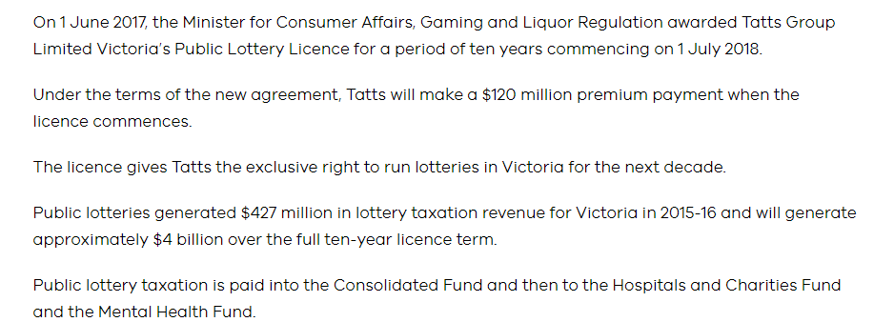
 |  |  |  |  |  |  |  |  |  |  |  |  |  |  |  |  |  |  |  |  |  |  |  |  |  |  |  |  | Playter Loss:
 |  |  |  |  |  |  |  |  |  |  |  |  |  |  |  |  |  |  |  |  |  |  |  |  |  |  |  |  | Retailer Commission
 |  |  |  |  |  |  |  |  |  |  |  |  |  |  |  |  |  |  |  |  |  |  |  |  |  |  |  |  | GST
 |  |  |  |  |  |  |  |  |  |  |  |  |  |  |  |  |  |  |  |  |  |  |  |  |  |  |  |  | Prize Payouts

 | Online keno
 | Taxes by State
 | Trade Promotions
 | Size of Fmatched
 | Compliance issues

Transcation Multiples
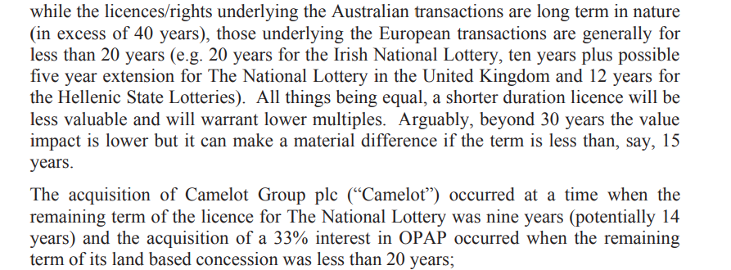
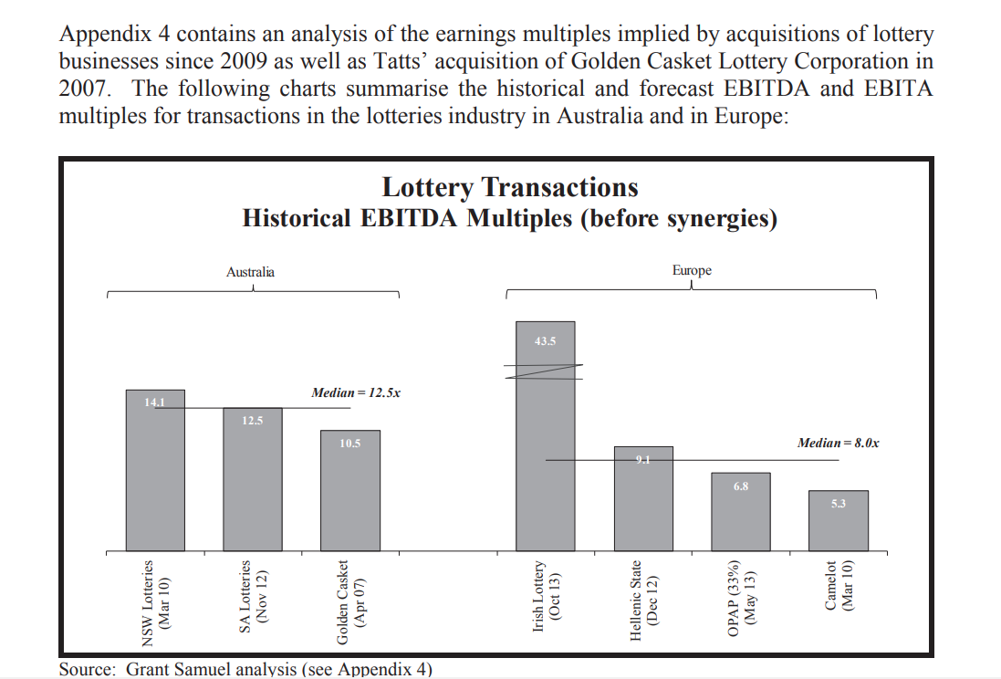

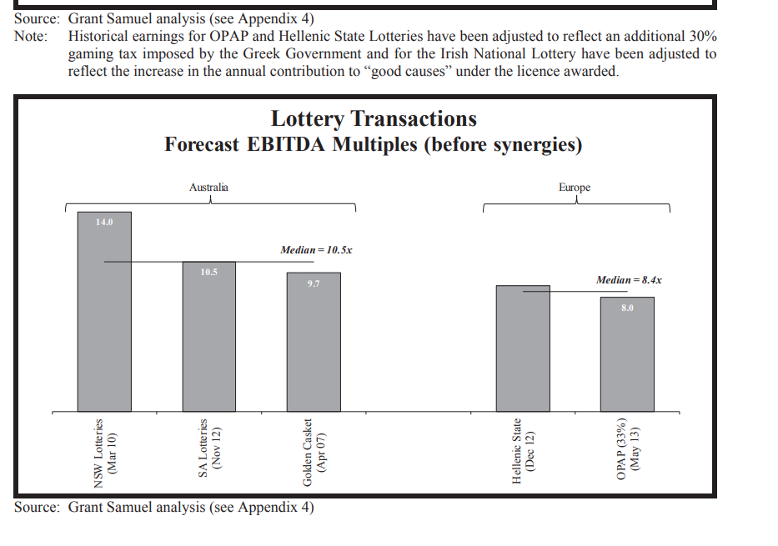

 | 5.68

 | 4.6

while the licences/rights underlying the Australian transactions are long term in nature (in excess of 40 years), those underlying the European transactions are generally for less than 20 years (e.g. 20 years for the Irish National Lottery, ten years plus possible five year extension for The National Lottery in the United Kingdom and 12 years for the Hellenic State Lotteries). All things being equal, a shorter duration licence will be less valuable and will warrant lower multiples. Arguably, beyond 30 years the value impact is lower but it can make a material difference if the term is less than, say, 15 years. The acquisition of Camelot Group plc (“Camelot”) occurred at a time when the remaining term of the licence for The National Lottery was nine years (potentially 14 years) and the acquisition of a 33% interest in OPAP occurred when the remaining term of its land based concession was less than 20 years;

Competitors
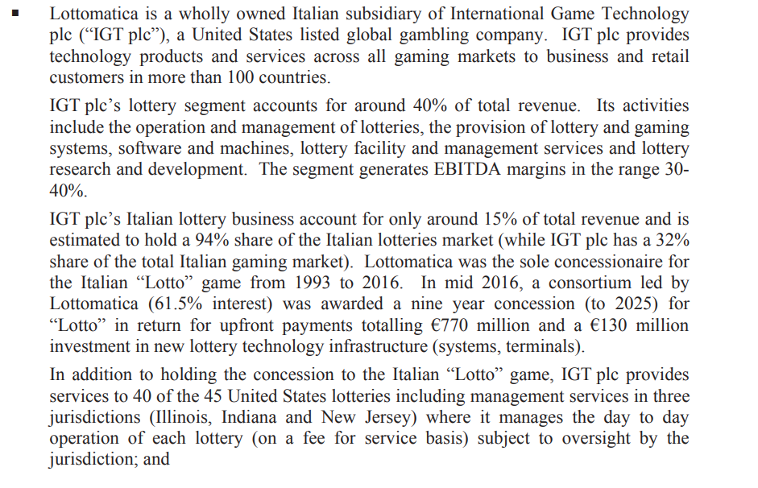
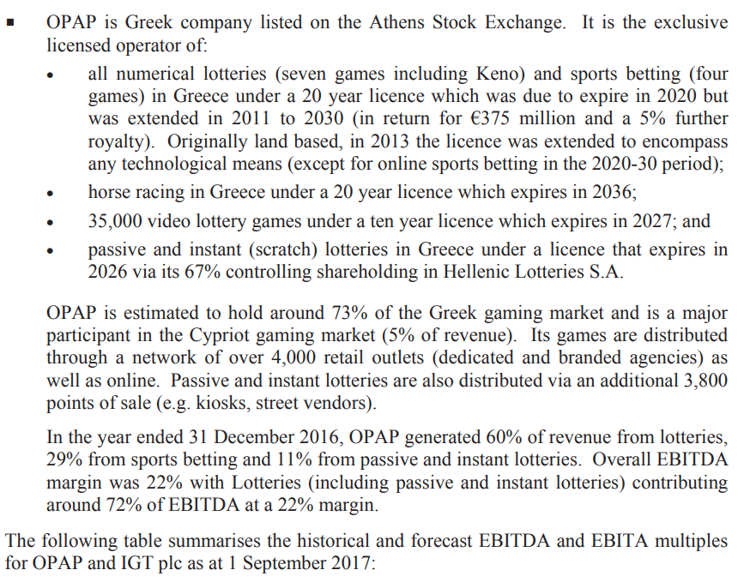

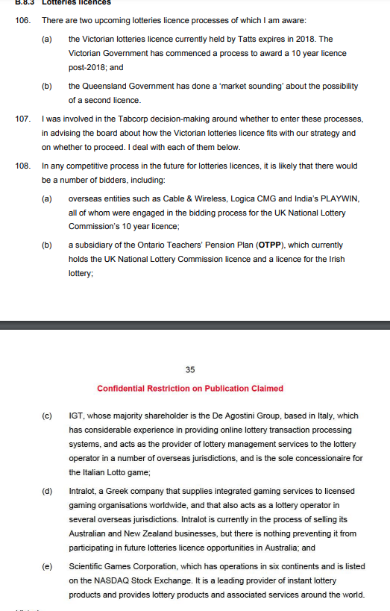

Licences
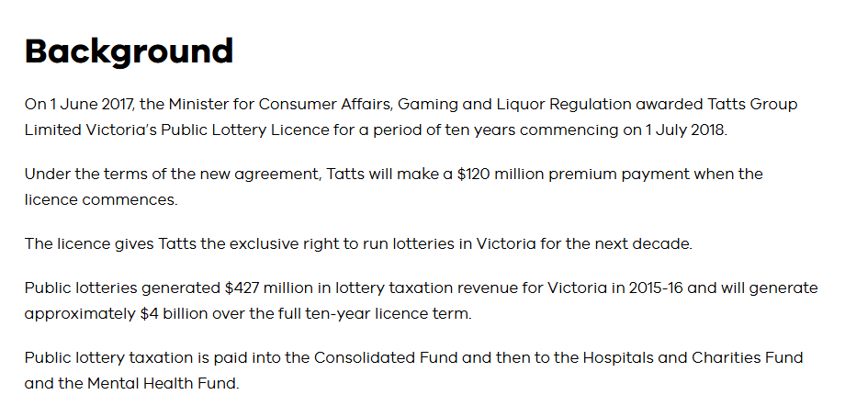
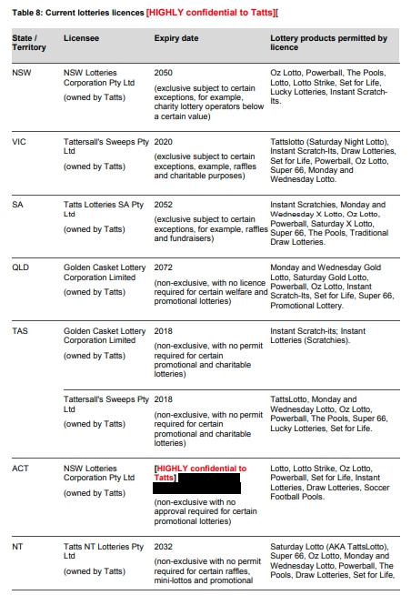
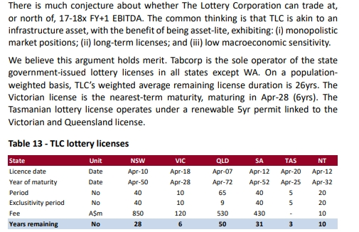
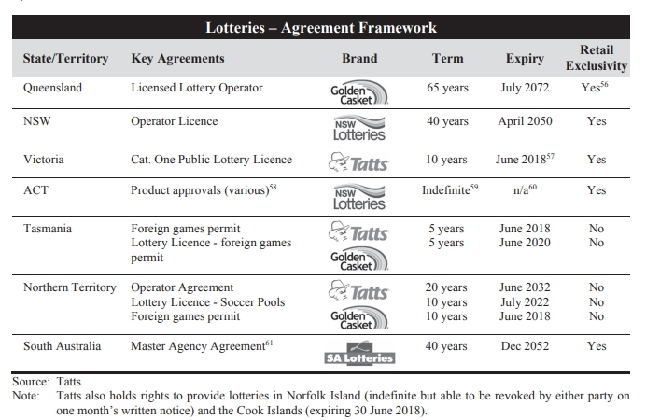

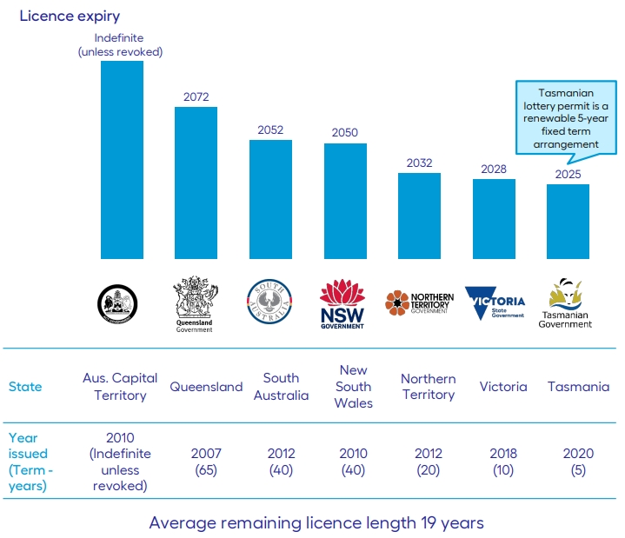

 |  | The main licences are exclusive or at least have product exclustivity

 | There are currently only two principal licensed lottery operators in Australia, being:362 271. (a) Lotterywest, an entity owned by the Western Australia government which operates in Western Australia; and (b) Tatts, through its subsidiaries, in: (i) New South Wales, Victoria and South Australia, through exclusive licences or agreements; and (ii) Queensland, Tasmania, the Australian Capital Territory and the Northern Territory. These licences are not exclusive, but Tatts, through its subsidiaries, is presently the sole licence holder in those States and Territories.

 | 2. There are exceptions to Tatts’ exclusivity which vary from state to state, including carve-outs for charitable lotteries and lotteries conducted by third parties which offer prizes below a certain monetary threshold.363 273. Set out below is a table of the current licensees (or permit holders), expiry dates, exclusivity status and licenced products (excluding Western Australia which has a State owned lotteries provider):364
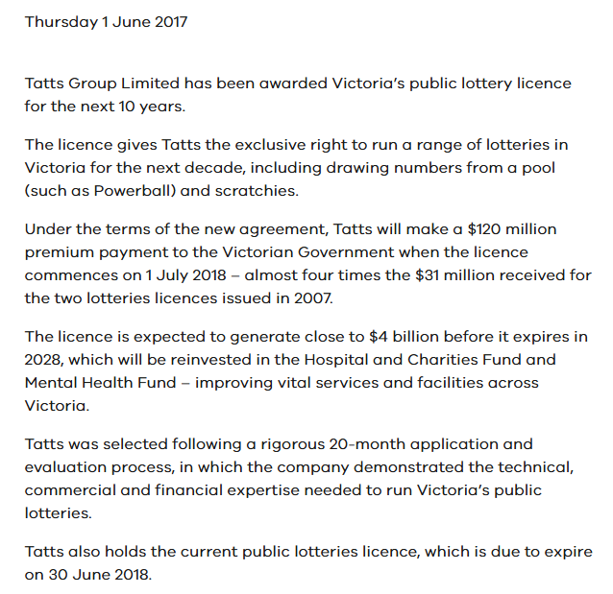

The Queensland lotteries licence was exclusive, but I understand that exclusivity has fallen away. The Queensland Government conducted a 'market sounding' about the possibility of a second lotteries licence in early to mid-2016.
In any competitive process in the future for lotteries licences, it is likely that there would be a number of bidders, including: (a) overseas entities such as Cable & Wireless, Logica CMG and India’s PLAYWIN, all of whom were engaged in the bidding process for the UK National Lottery Commission’s 10 year licence; (b) a subsidiary of the Ontario Teachers’ Pension Plan (OTPP), which currently holds the UK National Lottery Commission licence and a licence for the Irish lottery; 35 Confidential Restriction on Publication Claimed (c) IGT, whose majority shareholder is the De Agostini Group, based in Italy, which has considerable experience in providing online lottery transaction processing systems, and acts as the provider of lottery management services to the lottery operator in a number of overseas jurisdictions, and is the sole concessionaire for the Italian Lotto game; (d) lntralot, a Greek company that supplies integrated gaming services to licensed gaming organisations worldwide, and that also acts as a lottery operator in several overseas jurisdictions. lntralot is currently in the process of selling its Australian and New Zealand businesses, but there is nothing preventing it from participating in future lotteries licence opportunities in Australia; and (e) Scientific Games Corporation, which has operations in six continents and is listed on the NASDAQ Stock Exchange. It is a leading provider of instant lottery products and provides lottery products and associated services around the world.

VIC Licence EBITDA
 | FY14 | FY15 | FY16 | FY17 | FY18 | FY19 | FY20 | FY21 | FY22 | FY23 | FY24 | FY25 | FY26 | FY27 | FY28 | FY29 | FY30 | FY31 | FY32 | FY33 | FY34 | FY35 | FY36 | FY37 | FY38 | FY39 | FY40 | FY41 | FY42 | FY43 | FY44 | FY45 | FY46 | FY47 | FY48
 | A | A | A | A | A | A | A | A | A | A | A | E | E | E | E | E | E | E | E | E | E | E | E | E | E | E | E | E | E | E | E | E | E | E | E
 | FY14 | FY15 | FY16 | FY17 | FY18 | FY19 | FY20 | FY21 | FY22 | FY23 | FY24 | FY25E | FY26E | FY27E | FY28E | FY29E | FY30E | FY31E | FY32E | FY33E | FY34E | FY35E | FY36E | FY37E | FY38E | FY39E | FY40E | FY41E | FY42E | FY43E | FY44E | FY45E | FY46E | FY47E | FY48E

 | FY14A | FY15A | FY16A | FY17A | FY18A | FY19A | FY20A | FY21A | FY22A | FY23A | FY24A | FY25E | FY26E | FY27E | FY28E | FY29E | FY30E | FY31E | FY32E | FY33E | FY34E | FY35E | FY36E | FY37E | FY38E | FY39E | FY40E | FY41E | FY42E | FY43E | FY44E | FY45E | FY46E | FY47E | FY48E
 | Jun-14 | Jun-15 | Jun-16 | Jun-17 | Jun-18 | Jun-19 | Jun-20 | Jun-21 | Jun-22 | Jun-23 | Jun-24 | Jun-25 | Jun-26 | Jun-27 | Jun-28 | Jun-29 | Jun-30 | Jun-31 | Jun-32 | Jun-33 | Jun-34 | Jun-35 | Jun-36 | Jun-37 | Jun-38 | Jun-39 | Jun-40 | Jun-41 | Jun-42 | Jun-43 | Jun-44 | Jun-45 | Jun-46 | Jun-47 | Jun-48

ADJUSTED

DRIVERS

Game Rules
Subscription Price | 100.0% | 100.0% | 100.0% | 100.0% | 100.0% | 100.0% | 100.0% | 100.0% | 100.0% | 100.0% | 100.0% | 100.0% | 100.0% | 100.0% | 100.0% | 100.0% | 100.0% | 100.0% | 100.0% | 100.0% | 100.0% | 100.0% | 100.0% | 100.0% | 100.0% | 100.0% | 100.0% | 100.0% | 100.0% | 100.0% | 100.0% | 100.0% | 100.0% | 100.0% | 100.0%
Prize Allocation (%) | 60.0% | 60.0% | 60.0% | 60.0% | 60.0% | 60.0% | 60.0% | 60.0% | 60.0% | 60.0% | 60.0% | 60.0% | 60.0% | 60.0% | 60.0% | 60.0% | 60.0% | 60.0% | 60.0% | 60.0% | 60.0% | 60.0% | 60.0% | 60.0% | 60.0% | 60.0% | 60.0% | 60.0% | 60.0% | 60.0% | 60.0% | 60.0% | 60.0% | 60.0% | 60.0%

Commissions
Retailer Commission | 9.3% | 9.3% | 9.3% | 9.3% | 9.3% | 9.3% | 10.1% | 10.3% | 10.3% | 10.5% | 12.3% | 12.3% | 12.3% | 12.3% | 12.3% | 12.3% | 12.3% | 12.3% | 12.3% | 12.3% | 12.3% | 12.3% | 12.3% | 12.3% | 12.3% | 12.3% | 12.3% | 12.3% | 12.3% | 12.3% | 12.3% | 12.3% | 12.3% | 12.3% | 12.3%
Retail Fees | 1.41% | 1.41% | 1.41% | 1.41% | 1.41% | 1.41% | 1.41% | 1.41% | 1.41% | 1.41% | 1.41% | 1.41% | 1.41% | 1.41% | 1.41% | 1.41% | 1.41% | 1.41% | 1.41% | 1.41% | 1.41% | 1.41% | 1.41% | 1.41% | 1.41% | 1.41% | 1.41% | 1.41% | 1.41% | 1.41% | 1.41% | 1.41% | 1.41% | 1.41% | 1.41%
Other Fees | 0.30% | 0.30% | 0.30% | 0.30% | 0.30% | 0.30% | 0.27% | 0.24% | 0.21% | 0.18% | 0.15% | 0.12% | 0.09% | 0.06% | 0.03% | 0.00% | 0.00% | 0.00% | 0.00% | 0.00% | 0.00% | 0.00% | 0.00% | 0.00% | 0.00% | 0.00% | 0.00% | 0.00% | 0.00% | 0.00% | 0.00% | 0.00% | 0.00% | 0.00% | 0.00%
Digital Paid Out | 1.20% | 1.20% | 1.20% | 1.20% | 1.20% | 1.20% | 1.50% | 1.75% | 2.00% | 2.25% | 2.50% | 2.75% | 3.00% | 3.00% | 3.00% | 3.00% | 3.00% | 3.00% | 3.00% | 3.00% | 3.00% | 3.00% | 3.00% | 3.00% | 3.00% | 3.00% | 3.00% | 3.00% | 3.00% | 3.00% | 3.00% | 3.00% | 3.00% | 3.00% | 3.00%

Taxes
GST Credit | NA | NA | NA | NA | NA | NA | NA | NA | NA | NA | NA | NA | NA | NA | NA | NA | NA | NA | NA | NA | NA | NA | NA | NA | NA | NA | NA | NA | NA | NA | NA | NA | NA | NA | NA
Tax Rate (%) | 79.4% | 79.4% | 79.4% | 79.4% | 79.4% | 79.4% | 79.4% | 79.4% | 79.4% | 79.4% | 79.4% | 79.4% | 79.4% | 79.4% | 79.4% | 79.4% | 79.4% | 79.4% | 79.4% | 79.4% | 79.4% | 79.4% | 79.4% | 79.4% | 79.4% | 79.4% | 79.4% | 79.4% | 79.4% | 79.4% | 79.4% | 79.4% | 79.4% | 79.4% | 79.4%

Digital Penetration
% Digital - AUS | 8.7% | 10.4% | 12.7% | 13.7% | 16.8% | 23.5% | 28.0% | 32.8% | 37.7% | 38.4% | 40.9% | 42.9% | 44.9% | 46.9% | 48.9% | 50.9% | 52.9% | 54.9% | 56.9% | 58.9% | 60.9% | 61.9% | 62.9% | 63.9% | 64.9% | 65.9% | 66.9% | 67.9% | 68.9% | 69.9% | 70.9% | 71.9% | 72.9% | 73.9% | 74.9%
change |  | +1.7% | +2.3% | +1.0% | +3.1% | +6.7% | +4.5% | +4.8% | +4.8% | +0.7% | +2.5% | 2.0% | 2.0% | 2.0% | 2.0% | 2.0% | 2.0% | 2.0% | 2.0% | 2.0% | 2.0% | 1.0% | 1.0% | 1.0% | 1.0% | 1.0% | 1.0% | 1.0% | 1.0% | 1.0% | 1.0% | 1.0% | 1.0% | 1.0% | 1.0%
% Digital - VIC | 8.7% | 10.4% | 12.7% | 13.7% | 16.8% | 23.5% | 28.0% | 32.8% | 37.7% | 38.4% | 40.9% | 42.9% | 44.9% | 46.9% | 48.9% | 50.9% | 52.9% | 54.9% | 56.9% | 58.9% | 60.9% | 61.9% | 62.9% | 63.9% | 64.9% | 65.9% | 66.9% | 67.9% | 68.9% | 69.9% | 70.9% | 71.9% | 72.9% | 73.9% | 74.9%

Turnover
TLC Turnover | 4,040.7 | 4,121.1 | 4,439.8 | 4,167.4 | 4,376.0 | 5,471.6 | 5,599.3 | 6,125.0 | 6,716.0 | 6,614.0 | 7,347.0 | 6,728.0 | 7,025.0 | 7,306.0 | 7,598.2 | 7,902.2 | 8,218.3 | 8,547.0 | 8,888.9 | 9,244.4 | 9,614.2 | 9,998.8 | 10,398.7 | 10,814.7 | 11,247.3 | 11,697.1 | 12,165.0 | 12,651.6 | 13,157.7 | 13,684.0 | 14,231.4 | 14,800.6 | 15,392.6 | 16,008.3 | 16,648.7
growth |  | +2.0% | +7.7% | -6.1% | +5.0% | +25.0% | +2.3% | +9.4% | +9.6% | -1.5% | +11.1% | -8.4% | +4.4% | 4.0% | 4.0% | 4.0% | 4.0% | 4.0% | 4.0% | 4.0% | 4.0% | 4.0% | 4.0% | 4.0% | 4.0% | 4.0% | 4.0% | 4.0% | 4.0% | 4.0% | 4.0% | 4.0% | 4.0% | 4.0% | 4.0%

Victoria Turnover | 1,224.4 | 1,247.5 | 1,337.7 | 1,261.3 | 1,301.6 | 1,614.9 | 1,640.2 | 1,820.3 | 1,982.0 | 1,926.5 | 2,165.8 | 1,983.3 | 2,070.9 | 2,153.7 | 2,239.8 | 2,329.4 | 2,422.6 | 2,519.5 | 2,620.3 | 2,725.1 | 2,834.1 | 2,947.5 | 3,065.4 | 3,188.0 | 3,315.5 | 3,448.1 | 3,586.0 | 3,729.5 | 3,878.7 | 4,033.8 | 4,195.2 | 4,363.0 | 4,537.5 | 4,719.0 | 4,907.8
Proportion of Aus ex-WA Turnover | 30.3% | 30.3% | 30.1% | 30.3% | 29.7% | 29.5% | 29.3% | 30.2% | 29.8% | 29.5% | 29.5% | 29.5% | 29.5% | 29.5% | 29.5% | 29.5% | 29.5% | 29.5% | 29.5% | 29.5% | 29.5% | 29.5% | 29.5% | 29.5% | 29.5% | 29.5% | 29.5% | 29.5% | 29.5% | 29.5% | 29.5% | 29.5% | 29.5% | 29.5% | 29.5%
growth |  | +1.9% | +7.2% | -5.7% | +3.2% | +24.1% | +1.6% | +11.0% | +8.9% | -2.8% | +12.4% | -8.4% | +4.4% | +4.0% | +4.0% | +4.0% | +4.0% | +4.0% | +4.0% | +4.0% | +4.0% | +4.0% | +4.0% | +4.0% | +4.0% | +4.0% | +4.0% | +4.0% | +4.0% | +4.0% | +4.0% | +4.0% | +4.0% | +4.0% | +4.0%

Opex
TLC Opex | -135.1 | -137.8 | -148.5 | -139.4 | -146.3 | -184.0 | -187.3 | -197.0 | -224.6 | -226.0 | -250.6 | -270.0 | -281.9 | -293.2 | -304.9 | -317.1 | -329.8 | -343.0 | -356.7 | -371.0 | -385.8 | -401.3 | -417.3 | -434.0 | -451.4 | -469.4 | -488.2 | -507.7 | -528.0 | -549.1 | -571.1 | -594.0 | -617.7 | -642.4 | -668.1
% of Turnover | -3.3% | -3.3% | -3.3% | -3.3% | -3.3% | -3.4% | -3.3% | -3.2% | -3.3% | -3.4% | -3.4% | -4.0% | -4.0% | -4.0% | -4.0% | -4.0% | -4.0% | -4.0% | -4.0% | -4.0% | -4.0% | -4.0% | -4.0% | -4.0% | -4.0% | -4.0% | -4.0% | -4.0% | -4.0% | -4.0% | -4.0% | -4.0% | -4.0% | -4.0% | -4.0%
Growth |  |  |  |  |  |  |  | +8.3% | +14.0% | +0.6% | +10.9% | +7.7% | +4.4% | +4.0% | +4.0% | +4.0% | +4.0% | +4.0% | +4.0% | +4.0% | +4.0% | +4.0% | +4.0% | +4.0% | +4.0% | +4.0% | +4.0% | +4.0% | +4.0% | +4.0% | +4.0% | +4.0% | +4.0% | +4.0% | +4.0%

Proportional State Opex | -40.9 | -41.7 | -44.7 | -42.2 | -43.5 | -54.3 | -54.9 | -59.4 | -67.0 | -66.6 | -73.9 | -79.6 | -83.1 | -86.4 | -89.9 | -93.5 | -97.2 | -101.1 | -105.2 | -109.4 | -113.7 | -118.3 | -123.0 | -127.9 | -133.1 | -138.4 | -143.9 | -149.7 | -155.7 | -161.9 | -168.4 | -175.1 | -182.1 | -189.4 | -197.0

CALCULATIONS

Commissions & Prizes
Total Ticket Cost | 109.3% | 109.3% | 109.3% | 109.3% | 109.3% | 109.3% | 110.1% | 110.3% | 110.3% | 110.5% | 112.3% | 112.3% | 112.3% | 112.3% | 112.3% | 112.3% | 112.3% | 112.3% | 112.3% | 112.3% | 112.3% | 112.3% | 112.3% | 112.3% | 112.3% | 112.3% | 112.3% | 112.3% | 112.3% | 112.3% | 112.3% | 112.3% | 112.3% | 112.3% | 112.3%
Retailer Commission | 9.3% | 9.3% | 9.3% | 9.3% | 9.3% | 9.3% | 10.1% | 10.3% | 10.3% | 10.5% | 12.3% | 12.3% | 12.3% | 12.3% | 12.3% | 12.3% | 12.3% | 12.3% | 12.3% | 12.3% | 12.3% | 12.3% | 12.3% | 12.3% | 12.3% | 12.3% | 12.3% | 12.3% | 12.3% | 12.3% | 12.3% | 12.3% | 12.3% | 12.3% | 12.3%
Subscription Price | 100.0% | 100.0% | 100.0% | 100.0% | 100.0% | 100.0% | 100.0% | 100.0% | 100.0% | 100.0% | 100.0% | 100.0% | 100.0% | 100.0% | 100.0% | 100.0% | 100.0% | 100.0% | 100.0% | 100.0% | 100.0% | 100.0% | 100.0% | 100.0% | 100.0% | 100.0% | 100.0% | 100.0% | 100.0% | 100.0% | 100.0% | 100.0% | 100.0% | 100.0% | 100.0%
Prize Allocation (%) | 60.0% | 60.0% | 60.0% | 60.0% | 60.0% | 60.0% | 60.0% | 60.0% | 60.0% | 60.0% | 60.0% | 60.0% | 60.0% | 60.0% | 60.0% | 60.0% | 60.0% | 60.0% | 60.0% | 60.0% | 60.0% | 60.0% | 60.0% | 60.0% | 60.0% | 60.0% | 60.0% | 60.0% | 60.0% | 60.0% | 60.0% | 60.0% | 60.0% | 60.0% | 60.0%
Subscriptions less Prizes or "Player Loss" | 40.0% | 40.0% | 40.0% | 40.0% | 40.0% | 40.0% | 40.0% | 40.0% | 40.0% | 40.0% | 40.0% | 40.0% | 40.0% | 40.0% | 40.0% | 40.0% | 40.0% | 40.0% | 40.0% | 40.0% | 40.0% | 40.0% | 40.0% | 40.0% | 40.0% | 40.0% | 40.0% | 40.0% | 40.0% | 40.0% | 40.0% | 40.0% | 40.0% | 40.0% | 40.0%

GST
Subscriptions Less Prizes | 40.0% | 40.0% | 40.0% | 40.0% | 40.0% | 40.0% | 40.0% | 40.0% | 40.0% | 40.0% | 40.0% | 40.0% | 40.0% | 40.0% | 40.0% | 40.0% | 40.0% | 40.0% | 40.0% | 40.0% | 40.0% | 40.0% | 40.0% | 40.0% | 40.0% | 40.0% | 40.0% | 40.0% | 40.0% | 40.0% | 40.0% | 40.0% | 40.0% | 40.0% | 40.0%
Retailer Commission Allocated | 9.3% | 9.3% | 9.3% | 9.3% | 9.3% | 9.3% | 10.1% | 10.3% | 10.3% | 10.5% | 12.3% | 12.3% | 12.3% | 12.3% | 12.3% | 12.3% | 12.3% | 12.3% | 12.3% | 12.3% | 12.3% | 12.3% | 12.3% | 12.3% | 12.3% | 12.3% | 12.3% | 12.3% | 12.3% | 12.3% | 12.3% | 12.3% | 12.3% | 12.3% | 12.3%
Assesable GST Revenue | 49.3% | 49.3% | 49.3% | 49.3% | 49.3% | 49.3% | 50.1% | 50.3% | 50.3% | 50.5% | 52.3% | 52.3% | 52.3% | 52.3% | 52.3% | 52.3% | 52.3% | 52.3% | 52.3% | 52.3% | 52.3% | 52.3% | 52.3% | 52.3% | 52.3% | 52.3% | 52.3% | 52.3% | 52.3% | 52.3% | 52.3% | 52.3% | 52.3% | 52.3% | 52.3%
Tax Rate (%) | 9.09% | 9.09% | 9.09% | 9.09% | 9.09% | 9.09% | 9.09% | 9.09% | 9.09% | 9.09% | 9.09% | 9.09% | 9.09% | 9.09% | 9.09% | 9.09% | 9.09% | 9.09% | 9.09% | 9.09% | 9.09% | 9.09% | 9.09% | 9.09% | 9.09% | 9.09% | 9.09% | 9.09% | 9.09% | 9.09% | 9.09% | 9.09% | 9.09% | 9.09% | 9.09%
GST Payable | 4.5% | 4.5% | 4.5% | 4.5% | 4.5% | 4.5% | 4.6% | 4.6% | 4.6% | 4.6% | 4.8% | 4.8% | 4.8% | 4.8% | 4.8% | 4.8% | 4.8% | 4.8% | 4.8% | 4.8% | 4.8% | 4.8% | 4.8% | 4.8% | 4.8% | 4.8% | 4.8% | 4.8% | 4.8% | 4.8% | 4.8% | 4.8% | 4.8% | 4.8% | 4.8%

State Lottery Taxes
Player Loss | 40.0% | 40.0% | 40.0% | 40.0% | 40.0% | 40.0% | 40.0% | 40.0% | 40.0% | 40.0% | 40.0% | 40.0% | 40.0% | 40.0% | 40.0% | 40.0% | 40.0% | 40.0% | 40.0% | 40.0% | 40.0% | 40.0% | 40.0% | 40.0% | 40.0% | 40.0% | 40.0% | 40.0% | 40.0% | 40.0% | 40.0% | 40.0% | 40.0% | 40.0% | 40.0%
GST Credit | NA | NA | NA | NA | NA | NA | NA | NA | NA | NA | NA | NA | NA | NA | NA | NA | NA | NA | NA | NA | NA | NA | NA | NA | NA | NA | NA | NA | NA | NA | NA | NA | NA | NA | NA
Player Loss less GST Credit | 40.0% | 40.0% | 40.0% | 40.0% | 40.0% | 40.0% | 40.0% | 40.0% | 40.0% | 40.0% | 40.0% | 40.0% | 40.0% | 40.0% | 40.0% | 40.0% | 40.0% | 40.0% | 40.0% | 40.0% | 40.0% | 40.0% | 40.0% | 40.0% | 40.0% | 40.0% | 40.0% | 40.0% | 40.0% | 40.0% | 40.0% | 40.0% | 40.0% | 40.0% | 40.0%
Tax Rate (%) | 79.4% | 79.4% | 79.4% | 79.4% | 79.4% | 79.4% | 79.4% | 79.4% | 79.4% | 79.4% | 79.4% | 79.4% | 79.4% | 79.4% | 79.4% | 79.4% | 79.4% | 79.4% | 79.4% | 79.4% | 79.4% | 79.4% | 79.4% | 79.4% | 79.4% | 79.4% | 79.4% | 79.4% | 79.4% | 79.4% | 79.4% | 79.4% | 79.4% | 79.4% | 79.4%
State Taxes Paid | 31.8% | 31.8% | 31.8% | 31.8% | 31.8% | 31.8% | 31.8% | 31.8% | 31.8% | 31.8% | 31.8% | 31.8% | 31.8% | 31.8% | 31.8% | 31.8% | 31.8% | 31.8% | 31.8% | 31.8% | 31.8% | 31.8% | 31.8% | 31.8% | 31.8% | 31.8% | 31.8% | 31.8% | 31.8% | 31.8% | 31.8% | 31.8% | 31.8% | 31.8% | 31.8%

Operator Margin
Player Loss | 40.0% | 40.0% | 40.0% | 40.0% | 40.0% | 40.0% | 40.0% | 40.0% | 40.0% | 40.0% | 40.0% | 40.0% | 40.0% | 40.0% | 40.0% | 40.0% | 40.0% | 40.0% | 40.0% | 40.0% | 40.0% | 40.0% | 40.0% | 40.0% | 40.0% | 40.0% | 40.0% | 40.0% | 40.0% | 40.0% | 40.0% | 40.0% | 40.0% | 40.0% | 40.0%
(-) GST Payable | -4.5% | -4.5% | -4.5% | -4.5% | -4.5% | -4.5% | -4.6% | -4.6% | -4.6% | -4.6% | -4.8% | -4.8% | -4.8% | -4.8% | -4.8% | -4.8% | -4.8% | -4.8% | -4.8% | -4.8% | -4.8% | -4.8% | -4.8% | -4.8% | -4.8% | -4.8% | -4.8% | -4.8% | -4.8% | -4.8% | -4.8% | -4.8% | -4.8% | -4.8% | -4.8%
(-) State Tax | -31.8% | -31.8% | -31.8% | -31.8% | -31.8% | -31.8% | -31.8% | -31.8% | -31.8% | -31.8% | -31.8% | -31.8% | -31.8% | -31.8% | -31.8% | -31.8% | -31.8% | -31.8% | -31.8% | -31.8% | -31.8% | -31.8% | -31.8% | -31.8% | -31.8% | -31.8% | -31.8% | -31.8% | -31.8% | -31.8% | -31.8% | -31.8% | -31.8% | -31.8% | -31.8%
Operator Margin | 3.8% | 3.8% | 3.8% | 3.8% | 3.8% | 3.8% | 3.7% | 3.7% | 3.7% | 3.6% | 3.5% | 3.5% | 3.5% | 3.5% | 3.5% | 3.5% | 3.5% | 3.5% | 3.5% | 3.5% | 3.5% | 3.5% | 3.5% | 3.5% | 3.5% | 3.5% | 3.5% | 3.5% | 3.5% | 3.5% | 3.5% | 3.5% | 3.5% | 3.5% | 3.5%
Effective Tax (%) - Total | 90.6% | 90.6% | 90.6% | 90.6% | 90.6% | 90.6% | 90.8% | 90.8% | 90.8% | 90.9% | 91.3% | 91.3% | 91.3% | 91.3% | 91.3% | 91.3% | 91.3% | 91.3% | 91.3% | 91.3% | 91.3% | 91.3% | 91.3% | 91.3% | 91.3% | 91.3% | 91.3% | 91.3% | 91.3% | 91.3% | 91.3% | 91.3% | 91.3% | 91.3% | 91.3%

Total Retailer Fees | 1.71% | 1.71% | 1.71% | 1.71% | 1.71% | 1.71% | 1.68% | 1.65% | 1.62% | 1.59% | 1.56% | 1.53% | 1.50% | 1.47% | 1.44% | 1.41% | 1.41% | 1.41% | 1.41% | 1.41% | 1.41% | 1.41% | 1.41% | 1.41% | 1.41% | 1.41% | 1.41% | 1.41% | 1.41% | 1.41% | 1.41% | 1.41% | 1.41% | 1.41% | 1.41%
Digital Distributed | 1.20% | 1.20% | 1.20% | 1.20% | 1.20% | 1.20% | 1.50% | 1.75% | 2.00% | 2.25% | 2.50% | 2.75% | 3.00% | 3.00% | 3.00% | 3.00% | 3.00% | 3.00% | 3.00% | 3.00% | 3.00% | 3.00% | 3.00% | 3.00% | 3.00% | 3.00% | 3.00% | 3.00% | 3.00% | 3.00% | 3.00% | 3.00% | 3.00% | 3.00% | 3.00%

KPI's
Retail Margin | 5.5% | 5.5% | 5.5% | 5.5% | 5.5% | 5.5% | 5.4% | 5.3% | 5.3% | 5.2% | 5.0% | 5.0% | 5.0% | 5.0% | 4.9% | 4.9% | 4.9% | 4.9% | 4.9% | 4.9% | 4.9% | 4.9% | 4.9% | 4.9% | 4.9% | 4.9% | 4.9% | 4.9% | 4.9% | 4.9% | 4.9% | 4.9% | 4.9% | 4.9% | 4.9%
Digital Margin | 11.9% | 11.9% | 11.9% | 11.9% | 11.9% | 11.9% | 12.2% | 12.2% | 12.0% | 11.9% | 13.3% | 13.0% | 12.8% | 12.8% | 12.8% | 12.8% | 12.8% | 12.8% | 12.8% | 12.8% | 12.8% | 12.8% | 12.8% | 12.8% | 12.8% | 12.8% | 12.8% | 12.8% | 12.8% | 12.8% | 12.8% | 12.8% | 12.8% | 12.8% | 12.8%
Digital Penetration | 8.7% | 10.4% | 12.7% | 13.7% | 16.8% | 23.5% | 28.0% | 32.8% | 37.7% | 38.4% | 40.9% | 42.9% | 44.9% | 46.9% | 48.9% | 50.9% | 52.9% | 54.9% | 56.9% | 58.9% | 60.9% | 61.9% | 62.9% | 63.9% | 64.9% | 65.9% | 66.9% | 67.9% | 68.9% | 69.9% | 70.9% | 71.9% | 72.9% | 73.9% | 74.9%

Financials
Turnover | 1,224.4 | 1,247.5 | 1,337.7 | 1,261.3 | 1,301.6 | 1,614.9 | 1,640.2 | 1,820.3 | 1,982.0 | 1,926.5 | 2,165.8 | 1,983.3 | 2,070.9 | 2,153.7 | 2,239.8 | 2,329.4 | 2,422.6 | 2,519.5 | 2,620.3 | 2,725.1 | 2,834.1 | 2,947.5 | 3,065.4 | 3,188.0 | 3,315.5 | 3,448.1 | 3,586.0 | 3,729.5 | 3,878.7 | 4,033.8 | 4,195.2 | 4,363.0 | 4,537.5 | 4,719.0 | 4,907.8
Retail Variable Contribution | 61.1 | 61.1 | 63.9 | 59.5 | 59.2 | 67.6 | 63.4 | 65.0 | 65.3 | 62.2 | 64.6 | 56.8 | 56.9 | 56.7 | 56.4 | 56.0 | 55.9 | 55.6 | 55.3 | 54.8 | 54.2 | 55.0 | 55.7 | 56.3 | 57.0 | 57.6 | 58.1 | 58.6 | 59.1 | 59.4 | 59.8 | 60.0 | 60.2 | 60.3 | 60.3
Digital Variable Contribution | 12.6 | 15.4 | 20.1 | 20.5 | 25.9 | 45.0 | 56.3 | 73.0 | 89.4 | 88.0 | 117.7 | 110.9 | 118.9 | 129.1 | 140.0 | 151.6 | 163.9 | 176.9 | 190.6 | 205.2 | 220.7 | 233.3 | 246.5 | 260.5 | 275.1 | 290.5 | 306.7 | 323.8 | 341.7 | 360.5 | 380.3 | 401.1 | 422.9 | 445.9 | 470.0
Variable Contribution | 73.8 | 76.5 | 84.0 | 80.0 | 85.1 | 112.6 | 119.7 | 138.0 | 154.7 | 150.2 | 182.3 | 167.7 | 175.8 | 185.8 | 196.4 | 207.6 | 219.7 | 232.5 | 245.9 | 260.0 | 274.9 | 288.2 | 302.2 | 316.8 | 332.1 | 348.1 | 364.8 | 382.4 | 400.7 | 419.9 | 440.1 | 461.1 | 483.1 | 506.2 | 530.3
Proportional State Opex | -40.9 | -41.7 | -44.7 | -42.2 | -43.5 | -54.3 | -54.9 | -59.4 | -67.0 | -66.6 | -73.9 | -79.6 | -83.1 | -86.4 | -89.9 | -93.5 | -97.2 | -101.1 | -105.2 | -109.4 | -113.7 | -118.3 | -123.0 | -127.9 | -133.1 | -138.4 | -143.9 | -149.7 | -155.7 | -161.9 | -168.4 | -175.1 | -182.1 | -189.4 | -197.0
EBITDA | 32.8 | 34.8 | 39.3 | 37.8 | 41.6 | 58.2 | 64.8 | 78.6 | 87.7 | 83.6 | 108.4 | 88.1 | 92.7 | 99.4 | 106.5 | 114.1 | 122.5 | 131.4 | 140.8 | 150.7 | 161.2 | 170.0 | 179.2 | 188.9 | 199.0 | 209.7 | 220.9 | 232.7 | 245.1 | 258.1 | 271.7 | 286.0 | 301.0 | 316.8 | 333.3

Previous Licence | 32.8 | 34.8 | 39.3 | 37.8 | 41.6
Current Licence |  |  |  |  | 41.6 | 58.2 | 64.8 | 78.6 | 87.7 | 83.6 | 108.4 | 88.1 | 92.7 | 99.4 | 106.5
Potential Licence |  |  |  |  |  |  |  |  |  |  |  |  |  |  | 106.5 | 114.1 | 122.5 | 131.4 | 140.8 | 150.7 | 161.2 | 170.0 | 179.2 | 188.9 | 199.0 | 209.7 | 220.9 | 232.7 | 245.1 | 258.1 | 271.7 | 286.0 | 301.0 | 316.8 | 333.3

Turnover | 1.00 | 1.02 | 1.09 | 1.03 | 1.06 | 1.32 | 1.34 | 1.49 | 1.62 | 1.57 | 1.77 | 1.62 | 1.69 | 1.76 | 1.83 | 1.90 | 1.98 | 2.06 | 2.14 | 2.23 | 2.31 | 2.41 | 2.50 | 2.60 | 2.71 | 2.82 | 2.93 | 3.05 | 3.17 | 3.29 | 3.43 | 3.56 | 3.71 | 3.85 | 4.01
EBITDA | 1.00 | 1.06 | 1.20 | 1.15 | 1.27 | 1.78 | 1.98 | 2.40 | 2.67 | 2.55 | 3.30 | 2.69 | 2.82 | 3.03 | 3.25 | 3.48 | 3.73 | 4.00 | 4.29 | 4.59 | 4.91 | 5.18 | 5.46 | 5.76 | 6.07 | 6.39 | 6.73 | 7.09 | 7.47 | 7.86 | 8.28 | 8.72 | 9.17 | 9.65 | 10.16

Turnover |  |  |  | 1.00 | 1.03 | 1.28 | 1.30 | 1.44 | 1.57 | 1.53 | 1.72 | 1.57 | 1.64 | 1.71 | 1.78 | 1.85 | 1.92 | 2.00 | 2.08 | 2.16 | 2.25 | 2.34 | 2.43 | 2.53 | 2.63 | 2.73 | 2.84 | 2.96 | 3.08 | 3.20 | 3.33 | 3.46 | 3.60 | 3.74 | 3.89
EBITDA |  |  |  | 1.00 | 1.10 | 1.54 | 1.71 | 2.08 | 2.32 | 2.21 | 2.87 | 2.33 | 2.45 | 2.63 | 2.82 | 3.02 | 3.24 | 3.47 | 3.72 | 3.98 | 4.26 | 4.49 | 4.74 | 4.99 | 5.26 | 5.54 | 5.84 | 6.15 | 6.48 | 6.82 | 7.18 | 7.56 | 7.96 | 8.37 | 8.81

 | Previous Licence | Current Licence | Next Licence
FY14 | 32.8
FY15 | 34.8
FY16 | 39.3
FY17 | 37.8
FY18 | 41.6 | +4161.9%
FY19 |  | +5824.9%
FY20 |  | +6480.6%
FY21 |  | +7860.8%
FY22 |  | +8766.4%
FY23 |  | +8358.6%
FY24 |  | +10839.2%
FY25E |  | +8811.9%
FY26E |  | +9266.4%
FY27E |  | +9938.7%
FY28E |  | +10652.7% | 106.52654519
FY29E |  |  | 114.10635265
FY30E |  |  | 122.49348023
45341 | 5.03
45342 | 5.05
45343 | 5.15
45344 | 5.18
45345 | 5.09
45348 | 5.08
45349 | 5.08
45350 | 5.03
45351 | 5.08
45352 | 5.11
45355 | 5.09
45356 | 5.02
45357 | 5.08
45358 | 5.07
45359 | 5.19
45362 | 5.14
45363 | 5.19
45364 | 5.18
45365 | 5.16
45366 | 5.12
45369 | 5.15
45370 | 5.14
45371 | 5.16
45372 | 5.2
45373 | 5.21
45376 | 5.14
45377 | 5.17
45378 | 5.17
45379 | 5.15
45380 | 5.15
45383 | 5.15
45384 | 5.15
45385 | 5.07
45386 | 5.09
45387 | 5.16
45390 | 5.14
45391 | 5.18
45392 | 5.09
45393 | 5.05
45394 | 5.06
45397 | 5.03
45398 | 4.96
45399 | 4.99
45400 | 4.93
45401 | 4.94
45404 | 4.96
45405 | 4.92
45406 | 4.9
45407 | 4.9
45408 | 4.86
...

LT VC
 | 1H16 | 2H16 | 1H17 | 2H17 | 1H18 | 2H18 | 1H19 | 2H19 | 1H20 | 2H20 | 1H21 | 2H21 | 1H22 | 2H22 | 1H23 | 2H23 | 1H24 | 2H24 | 1H25 | 2H25 | FY16 | FY17 | FY18 | FY19 | FY20 | FY21 | FY22 | FY23 | FY24 | FY25 | FY26

 | 1H16A | 2H16A | 1H17A | 2H17A | 1H18A | 2H18A | 1H19A | 2H19A | 1H20A | 2H20A | 1H21A | 2H21A | 1H22A | 2H22A | 1H23A | 2H23A | 1H24A | 2H24A | 1H25E | 2H25E | FY16A | FY17A | FY18A | FY19A | FY20A | FY21A | FY22A | FY23A | FY24A | FY25E | FY26E
 | Dec-15 | Jun-16 | Dec-16 | Jun-17 | Dec-17 | Jun-18 | Dec-18 | Jun-19 | Dec-19 | Jun-20 | Dec-20 | Jun-21 | Dec-21 | Jun-22 | Dec-22 | Jun-23 | Dec-23 | Jun-24 | Dec-24 | Jun-25 | Jun-16 | Jun-17 | Jun-18 | Jun-19 | Jun-20 | Jun-21 | Jun-22 | Jun-23 | Jun-24 | Jun-25 | Jun-26

Source: | Tatts |  | Tatts |  | Tabcorp | Tabcorp | Tabcorp | Tabcorp | Tabcorp | Tabcorp | Tabcorp | Tabcorp | TLC | TLC | TLC | TLC | TLC | TLC |  |  | Tatts | Tatts | Tabcorp | Tabcorp | Tabcorp | TLC | TLC | TLC | TLC

Turnover |  |  |  |  |  |  |  |  | 3,058 | 2,608 | 3,068 | 3,057 | 3,438 | 3,278 | 3,649 | 2,965 | 3,449 | 3,898 |  |  |  | 4,285 |  |  | 5,666 | 6,125 | 6,716 | 6,614 | 7,347

Revenue | 1,109 |  | 1,018 |  | 1,081 | 1,031 | 1,293 | 1,349 | 1,467 | 1,259 | 1,477 | 1,474 | 1,665 | 1,590 | 1,773 | 1,460 | 1,738 | 1,970 |  |  | 2,140 | 2,014 | 2,112 | 2,642 | 2,726 | 2,951 | 3,255 | 3,233 | 3,709
Variable Contribution |  |  | 228 |  | 246 | 239 | 300 | 317 | 344 | 303 | 354 | 365 | 416 | 402 | 456 | 377 | 457 | 519 |  |  |  | 456 | 485 | 617 | 647 | 719 | 817 | 833 | 975
Opex |  |  |  |  |  |  |  |  |  |  | -95 | -102 | -103 | -122 | -106 | -120 | -114 | -137 |  |  |  | -140 | -147 | -184 |  | -197 | -225 | -226 | -251
EBITDA |  |  |  |  |  |  |  |  |  |  | 259 | 263 | 313 | 280 | 350 | 258 | 343 | 381 |  |  | 346 | 316 | 338 | 433 | 474 | 522 | 593 | 607 | 725
EBIT |  |  |  |  |  |  |  |  |  |  | 230 | 235 | 284 | 250 | 316 | 223 | 307 | 344 |  |  | 320 | 291 |  |  |  | 465 | 534 | 539 | 652

VC Margin |  |  | 22.4% |  | 22.7% | 23.2% | 23.2% | 23.5% | 23.4% | 24.1% | 24.0% | 24.8% | 25.0% | 25.3% | 25.7% | 25.8% | 26.3% | 26.3% |  |  |  |  | 23.0% | 23.4% | 23.7% | 24.4% | 25.1% | 25.8% | 26.3%
EBITDA Margin |  |  |  |  |  |  |  |  |  |  | 17.5% | 17.8% | 18.8% | 17.6% | 19.7% | 17.6% | 19.7% | 19.4% |  |  | 16.1% | 15.7% |  | 16.4% | 17.4% | 17.7% | 18.2% | 18.8% | 19.5%
Rev/Turnover |  |  |  |  |  |  |  |  |  |  | 48.1% | 48.2% | 48.4% | 48.5% | 48.6% | 49.2% | 50.4% | 50.5% |  |  |  |  |  |  | 48.1% | 48.2% | 48.5% | 48.9% | 50.5%
VC/Turnover |  |  |  |  |  |  |  |  |  |  | 11.5% | 11.9% | 12.1% | 12.3% | 12.5% | 12.7% | 13.2% | 13.3% |  |  |  |  |  |  | 11.4% | 11.7% | 12.2% | 12.6% | 13.3%

Opex/Turnover |  |  |  |  |  |  |  |  |  |  |  |  |  |  |  |  |  |  |  |  | #DIV/0! | -3.3% | #DIV/0! | #DIV/0! | 0.0% | -3.2% | -3.3% | -3.4% | -3.4%

 |  |  |  |  |  |  |  |  |  |  |  |  |  |  |  |  |  |  |  |  |  |  | 4.9%

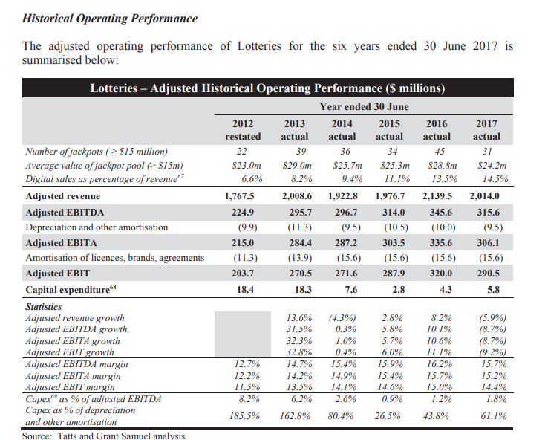

effective tax over 90% incl GST
if all retail, basically zero EBITDA after costs
divergence in value states perspective & operators perspective

